IMDb (Sentiment analysis)
Sort | Type | Input Text | Explanation | What does the model predict? | How helpful do you find the explanation for guessing the model prediction? 1 (not helpful) - 7 (very helpful) | How easy is the explanation to understand? 1 (very difficult) - 7 (very easy)
1 | GPT | "another fantastic offering from the monkey island team and though it was a long time coming and had to survive the departure of ron gilbert it ' s another worthy installment . my only grip e is that it was a little short seeming in comparison to the previous two , though that might be because of a glorious lack of disk-swapping . roll on mi 4 ." | The sentiment analyzer predicted this movie review as '{placeholder}' because words such as "fantastic," "offering," "survive," "worthy," and "glorious" have high importance scores indicating {placeholder} in the review. Although there are some {placeholder} words such as "long time coming" and "short seeming," they have relatively lower importance scores and do not significantly impact the overall {placeholder} sentiment of the review.
2 | HM | 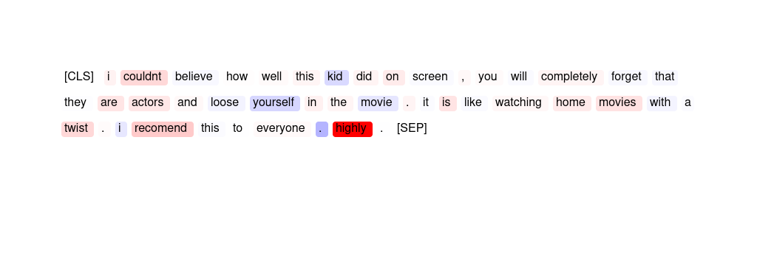
3 | ER | "a great historical movie , will not allow a viewer to leave once you begin to watch . view is presented differently than displayed by most school books on this subject . my only fault for this movie is it was photographed in black and white ; wished it had been in color . . . wow !" | great wow not ! for
4 | GPT | scary in places though the effects did leave something to be desired unless you have bad eyes ight or are afraid of the dark . however most of the acting was convincing and most of the effects were well done . i thought the creature looked a bit too much like a man in a gorilla suit for my liking . it reminded me of the original pink panther film . | The sentiment analyzer has predicted this movie review as '{placeholder}' because of the negative importance scores associated with words like "though", "did leave something to be desired", "are afraid of the dark", "most of the acting was not convincing", and "too much like a man in a gorilla suit". These negative scores outweigh the positive scores associated with words like "convincing acting", "well-done effects", and "gorilla suit".
5 | SMV | not the funniest movie ever . . . . . but i have to watch this film at least once a year just so i can fall in love with michelle johnson all over again . she never looked better than she did in this film . by the way the story is good too . | The phrase » way the story is good « was most important to the model.
6 | SMV | "fantastic , madonna at her finest , the film is funny and her acting is brilliant . it may have been made in the 80 ' s but it has all the qualities of a modern hollywood block - buster . i love this film and i think its totally unique and will cheer up any dr oop y person within a matter of minutes . fantastic ." | The span » . i love this film and i « is most important for the prediction.
7 | HM | 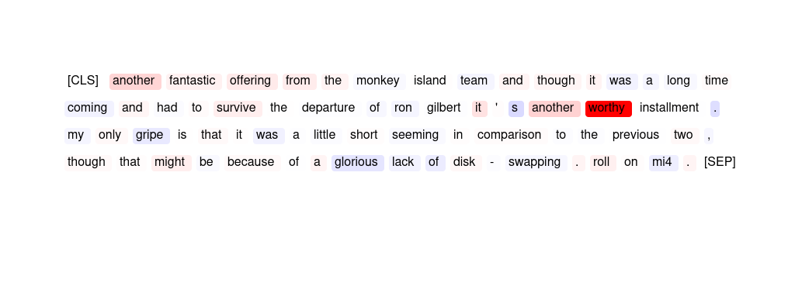
8 | GPT | "i think that just sums up this film . watch it and you ' ll find out why . the acting of the lead character john keem is really , really bad and he has no on screen charisma whatsoever . it ' s very funny because of this thought , as is the ending where keem be heads the bad guy despite the fact he is unarmed and has surrendered . brilliant !" | The sentiment analyzer has predicted this movie review as '{placeholder}' because of the high importance scores assigned to words such as "bad", "no", "unarmed", and "surrendered". These words indicate {placeholder} aspects of the movie, particularly in relation to the lead character's acting and the ending. The overall tone of the review is also {placeholder}, as indicated by the low importance scores for {placeholder} words such as "brilliant" and "funny".
9 | GPT | if you like bad movies , this one ' s a real treat . kaufman & peters stagger around in robot costumes , escape slavery only to wander aimlessly , and find true robot love . i believe this is the first movie that ever made me consider walking out . i should note i was 12 , and could be entertained by shiny objects . | The sentiment analyzer has predicted this movie review as '{placeholder}' because of the high importance scores for words like "real", "treat", "love", and "entertained". These words indicate a {placeholder} experience for the reviewer and contribute heavily to the overall sentiment of the review. Additionally, the negative importance scores for words like "bad" and "aimlessly" suggest that the {placeholder} aspects of the movie were not significant enough to outweigh the {placeholder} experiences.
10 | ER | "i really liked this picture , because it realistically dealt with two people in love , and one of them having a disorder . though the ending saddened me , i know that that was the best way for it to finish off . i would recommed this to everyone ." | liked recommed best love off
11 | ER | this was an absolute disgrace ! the worst dramatisation i have ever seen . german officer ' s with a spotless english accent , they didn ' t even attempt to be german . how were we supposed to take them seriously ? garbage garbage garbage ! leave the german acting to the likes of ralph fiennes & liam neeson in future . | disgrace worst garbage ! absolute
12 | SMV | i just cant see what everyone sees in this movie . the acting is just awful , the choice of music is , mildly putting it , peculiar , there arent enough fighting scenes , the plot is non - existent and whatever small entertainment one could get from this film is ruined by the annoying way some of the movie is filmed and gives you a splitting headace . | The phrase » this film is ruined by the annoying way « is most important for the prediction.
13 | GPT | the " film " consists of the audition tapes of the " surrender girls " and some footage from previous films . it ' s not hot or even suitable for late night viewing on cinemax . only an adolescent boy could be interested in auditions from beyond . i recommend avoiding this one . | The sentiment analyzer has predicted this movie review as '{placeholder}' because of the high importance scores assigned to words such as "not hot", "avoiding", and "only an adolescent boy could be interested". These words have a {placeholder} connotation and contribute to the overall {placeholder} sentiment of the review. Additionally, the importance scores for words such as "surrender girls" and "previous films" suggest that the reviewer did not find the content of the movie enjoyable or engaging.
14 | HM | 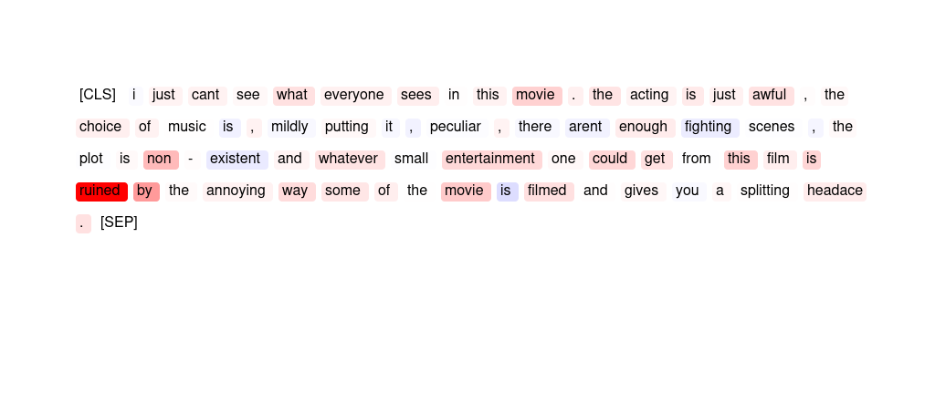
15 | SMV | "john cusack stars as hoops in this silly little movie that has to be one of the best of the eighties teen comedies . believe it or not demi moore is his co star . . . if you love the eighties , grew up around that time , or are an angst ridden teenage artist get ready to laugh . wait until you see the cartoons . . what a riot . . . ." | The word » riot « is most important for the prediction, but the phrase » this silly little « is also salient.
16 | HM | 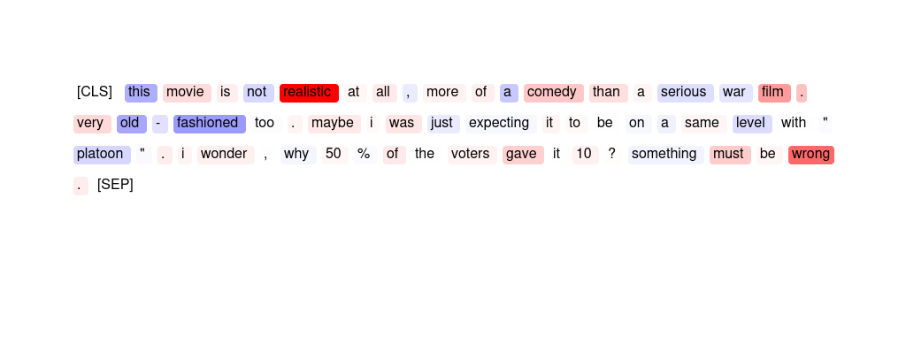
17 | GPT | i usually like period films but this one just seemed to drag and drag . i ' d perk up during rupert graves ' scenes , but vanessa redgrave just put me to sleep . < br / > < br / > i was disappointed in the film . it lacked a little " punch " at the end that i ' d hoped it would have . | The sentiment analyzer has predicted this movie review as '{placeholder}' because words like "drag", "put me to sleep", "disappointed", and "lacked punch" have high importance scores for predicting {placeholder} sentiment. Additionally, the positive scores for words like "period films" and "Rupert Graves" are not enough to overcome the {placeholder} sentiment conveyed by the rest of the review.
18 | HM | 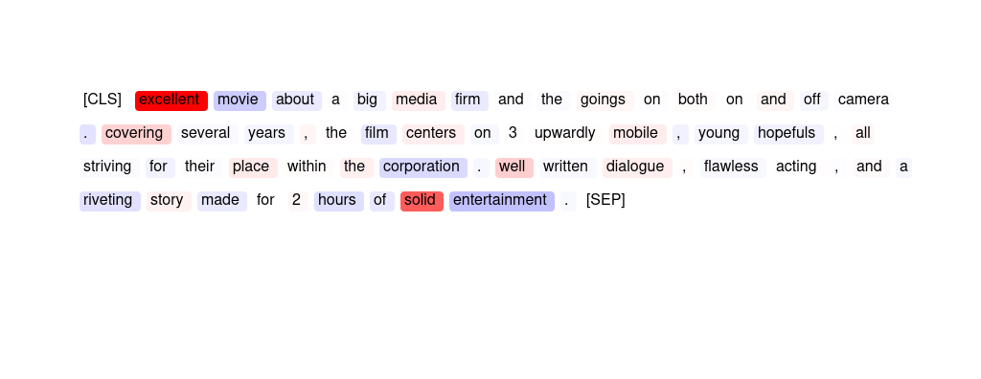
19 | GPT | officially the first martial arts movie in ussr cinematography featuring actual martial artists like tadeush kas ' yanov and russian bruce lee - talgat nigmatullin . bad people highjack a ship in the high seas but fortunately just about everybody on board is a trained martial artist . a collectible for martial arts aficionado . | The sentiment analyzer has predicted this movie review as '{placeholder}' because words like 'officially', 'martial arts', 'cinematography', 'featuring', 'actual', 'trained', 'collectible', and 'fortunately' have high positive importance scores. These words indicate that the movie is significant, well-made, and enjoyable to watch. Additionally, words like 'bad people' and 'Russian Bruce Lee' have negative importance scores, indicating that they do not significantly affect the overall {placeholder} sentiment of the review.
20 | ER | "as a history of custer , this insn't even close ( custer dies to help the indians ? i am sure the other members of the 7th cav weren' t consulted in that decision . ) but as a western , this is fun . flynn looks , and acts , the part of the dashing cavalier . and the "" garry owen "" is always nice to hear !" | fun Flynn nice always !
21 | HM | 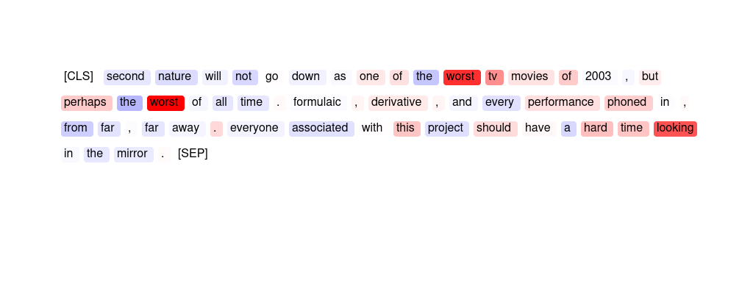
22 | GPT | i found this movie really hard to sit through , my attention kept wandering off the tv . as far as romantic movies go . . this one is the worst i ' ve seen . don ' t bother with it . | The sentiment analyzer has predicted this movie review as '{placeholder}' because of the high importance scores given to words such as 'hard', 'wandering', 'worst', 'don't bother', and 'the worst'. These words indicate a {placeholder} experience while watching the movie and contribute significantly to the overall {placeholder} sentiment of the review. Additionally, the high importance score given to 'tv' suggests that the reviewer was not fully engaged with the movie, further supporting the {placeholder} sentiment.
23 | HM | 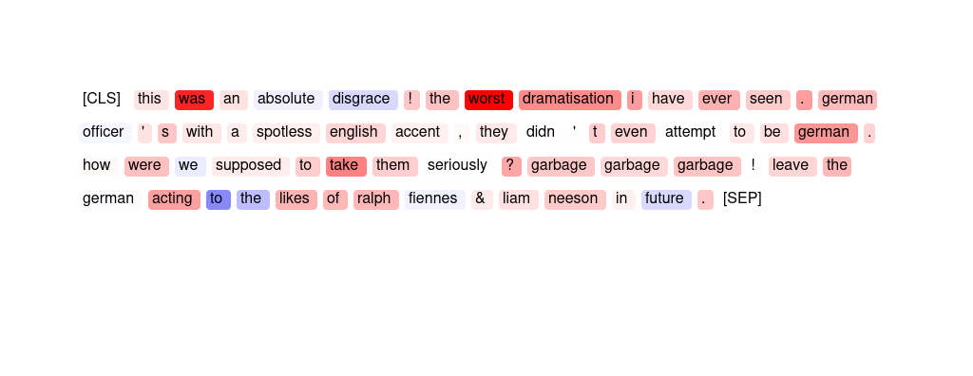
24 | HM | 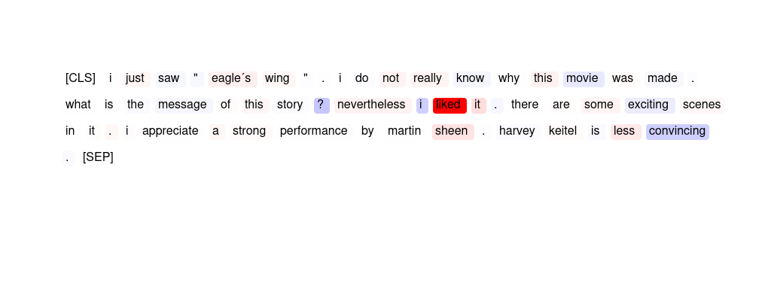
25 | GPT | "i just saw "" eagle ´s wing "" . i do not really know why this movie was made . what is the message of this story ? nevertheless i liked it . there are some exciting scenes in it . i appreciate a strong performance by martin sheen . harvey keitel is less convincing ." | The sentiment analyzer has predicted this movie review as '{placeholder}' because of the high importance scores given to words like "liked", "strong", "performance", and "appreciate". These words suggest a {placeholder} evaluation of the movie. Additionally, the positive scores for words like "really", "exciting", and "some" further support the {placeholder} sentiment. However, it should be noted that the negative scores for words like "nevertheless", "less convincing", and "eagle's wing" may indicate some {placeholder} feelings towards the movie.
26 | GPT | a truly masterful piece of filmmaking . it managed to put me to sleep and to boggle my mind . so boring that it induces sleep and yet so ludicrous that it made me wonder how stuff like this gets made . avoid at all costs . that is , unless you like taking invisible cranial punishment , in which case i highly recommend it . | The sentiment analyzer has likely predicted this movie review as '{placeholder}' because of the high importance scores given to words such as "masterful", "filmmaking", "induces", "ludicrous", and "highly recommend". These words have {placeholder} connotations and likely influenced the sentiment analyzer's prediction. However, the overall tone of the review is {placeholder}, as indicated by the negative importance scores given to words such as "boring" and "avoid".
27 | ER | i usually like period films but this one just seemed to drag and drag . i ' d perk up during rupert graves ' scenes , but vanessa redgrave just put me to sleep . < br / > < br / > i was disappointed in the film . it lacked a little " punch " at the end that i ' d hoped it would have . | disappointed seemed drag drag sleep
28 | GPT | "i really liked this picture , because it realistically dealt with two people in love , and one of them having a disorder . though the ending saddened me , i know that that was the best way for it to finish off . i would recommed this to everyone ." | The sentiment analyzer has predicted this movie review as '{placeholder}' because words like 'liked' (3.63) and 'best' (0.2) have high positive importance scores. Additionally, words like 'realistic' (0.05) and 'love' (0.32) also contribute {placeholder} to the sentiment. Despite the sad ending, the sentiment analyzer has likely picked up on the overall {placeholder} tone of the review.
29 | HM | 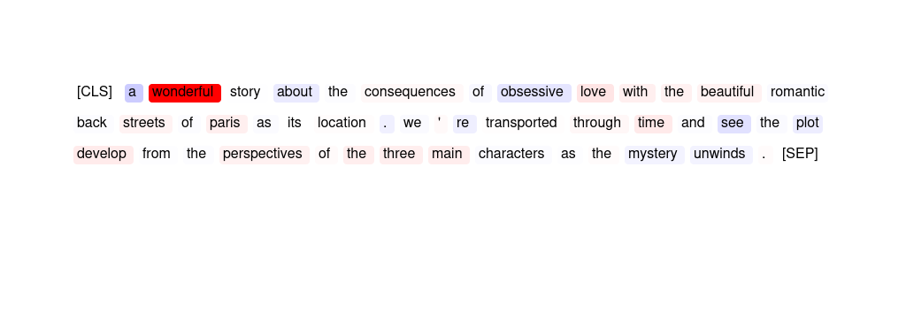
30 | GPT | i couldn ' t even sit through the whole thing ! this movie was a piece of crap ! i had more fun watching " dont ' tell mom the babysitter ' s dead " ! it was just too painful to watch . say , besides " austin powers " , has tom arnold ever been in a hit movie ? | The sentiment analyzer has predicted this movie review as {placeholder} because words like "crap" (0.3), "painful" (0.21), and "couldn't even sit through the whole thing" (0.05) have high importance scores indicating a strong {placeholder} sentiment. Additionally, words like "piece of" (0.09) and "too" (0.04) also contribute to the {placeholder} sentiment.
31 | ER | i thought this movie was awesome and the two guys nick and aaron are hotties ! ! ! ! ! i wish i could watch it over and over . i loved the plot and whole concept of the movie . it is great and i wish i had taped it last night . nick i love you ! ! ! ! ! ! | great awesome loved !!!!! It
32 | GPT | "a great historical movie , will not allow a viewer to leave once you begin to watch . view is presented differently than displayed by most school books on this subject . my only fault for this movie is it was photographed in black and white ; wished it had been in color . . . wow !" | The sentiment analyzer has predicted this movie review as '{placeholder}' because words such as 'great', 'historical', 'viewer', 'begin', 'subject', 'fault', and 'movie' have high importance scores. These words indicate that the review has {placeholder} opinions about the movie and its historical significance, and that it is engaging for the viewer. Additionally, the use of 'wow' and exclamation marks at the end of the review also suggest a {placeholder} sentiment. However, the importance scores also indicate that the reviewer had a {placeholder} opinion about the movie being in black and white, but this was not enough to override the overall {placeholder} sentiment.
33 | HM | 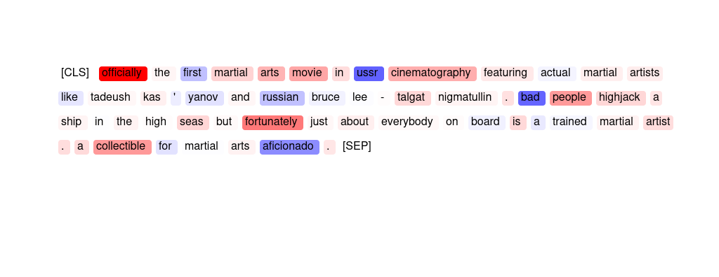
34 | ER | the movie is not that bad , ringo lam sucks . i hate when van damme has love in his movies , van damme is good only when he doesn ' t have love in his movies . | sucks bad love hate love
35 | HM | 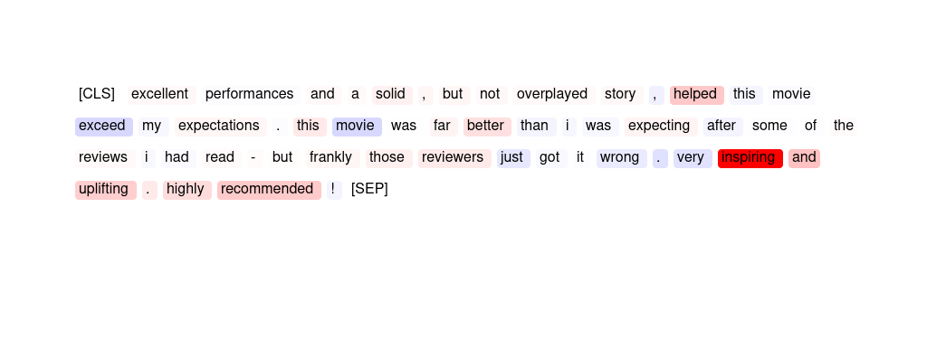
36 | ER | "i think that just sums up this film . watch it and you ' ll find out why . the acting of the lead character john keem is really , really bad and he has no on screen charisma whatsoever . it ' s very funny because of this thought , as is the ending where keem be heads the bad guy despite the fact he is unarmed and has surrendered . brilliant !" | Brilliant sums bad funny thought
37 | SMV | i couldn ' t even sit through the whole thing ! this movie was a piece of crap ! i had more fun watching " dont ' tell mom the babysitter ' s dead " ! it was just too painful to watch . say , besides " austin powers " , has tom arnold ever been in a hit movie ? | The phrase » it was just too painful to « is most important for the model's prediction.
38 | HM | 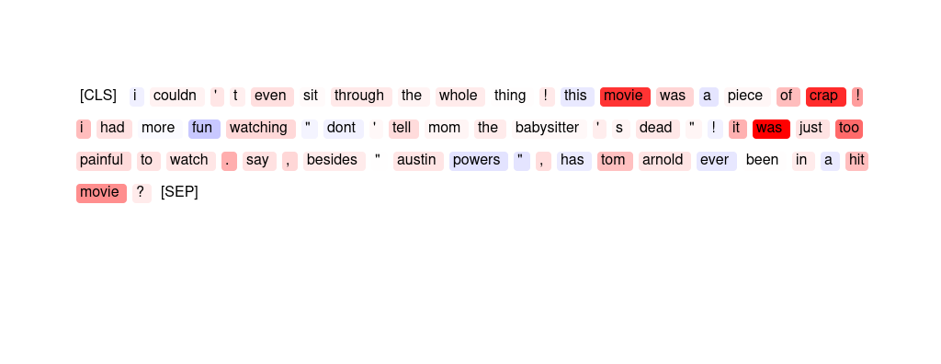
39 | GPT | i did not like this film at all : the scenario is boring - and after a while , its primitive predictability really gets on your nerves . even if you give chabrol a high bonus for not being a beginner , i did not manage to find anything specially interesting on his characterization of mika neither . | The sentiment analyzer has predicted this movie review as '{placeholder}' because of the negative importance scores associated with words such as 'boring', 'primitive', 'predictability', 'nerves', and 'not interesting'. These words have a significant {placeholder} impact on the sentiment of the review, leading the analyzer to predict a {placeholder} sentiment overall.
40 | SMV | the theme is controversial and the depiction of the hypocritical and sexually starved india is excellent . nothing more to this film . there is a lack of good dialogues ( why was the movie in english ? ? ) . there was lack of continuity and lack of passion / emotion in the acting . | The span » india is excellent . « is most important for the outcome.
41 | SMV | second nature will not go down as one of the worst tv movies of 2003 , but perhaps the worst of all time . formulaic , derivative , and every performance phoned in , from far , far away . everyone associated with this project should have a hard time looking in the mirror . | Both phrases » worst tv movies of « and » hard time looking « are salient.
42 | GPT | "excellent movie about a big media firm and the goings on both on and off camera . covering several years , the film centers on 3 upwardly mobile , young hopefuls , all striving for their place within the corporation . well written dialogue , flawless acting , and a riveting story made for 2 hours of solid entertainment ." | The sentiment analyzer has predicted this movie review as '{placeholder}' mainly because of the high importance scores given to words like 'excellent', 'well-written', 'flawless acting', 'solid entertainment', and 'several years'. These words suggest that the movie is of high quality, well-executed, and engaging, which are all {placeholder} attributes that contribute to a {placeholder} sentiment. Additionally, the importance scores given to words like 'young hopefuls', 'upwardly mobile', and 'ri-veting story' suggest that the movie has relatable characters and a compelling plot, which also contribute to a {placeholder} sentiment.
43 | SMV | the movie is not that bad , ringo lam sucks . i hate when van damme has love in his movies , van damme is good only when he doesn ' t have love in his movies . | The words » sucks « and » bad , « are most indicative of the model's sentiment label.
44 | GPT | a bad bad movie . . . terrible plot , hinges on bolo yeung ' s charater , but he speaks maybe 20 words in the entire movie and only has one fight scene - still in great shape considering he was also in the kung fu classic " enter the dragon " interesting to see william zabka ( " johnny " from the karate kid ) in another martial - arts role . | The sentiment analyzer has predicted this movie review as '{placeholder}' because words like 'bad', 'terrible', 'hinges', 'only', 'fight', 'classic', and 'role' have relatively high importance scores. These words suggest that the movie has a weak plot, uninteresting characters, and lacks action. Additionally, the word 'negative' has a high importance score, which further supports the sentiment analyzer's prediction.
45 | ER | a wonderful story about the consequences of obsessive love with the beautiful romantic back streets of paris as its location . we ' re transported through time and see the plot develop from the perspectives of the three main characters as the mystery unwinds . | wonderful unwinds characters romantic love
46 | ER | i couldn ' t even sit through the whole thing ! this movie was a piece of crap ! i had more fun watching " dont ' tell mom the babysitter ' s dead " ! it was just too painful to watch . say , besides " austin powers " , has tom arnold ever been in a hit movie ? | painful crap ! ! too
47 | ER | officially the first martial arts movie in ussr cinematography featuring actual martial artists like tadeush kas ' yanov and russian bruce lee - talgat nigmatullin . bad people highjack a ship in the high seas but fortunately just about everybody on board is a trained martial artist . a collectible for martial arts aficionado . | Bad fortunately everybody collectible arts
48 | SMV | this may just be the worst movie ever produced . worst plot , worst acting , worst special effects . . . be prepared if you want to watch this . the only way to get enjoyment out of it is to light a match and burn the tape of it , knowing it will never fall into the hands of any sane person again . | The phrase » just be the worst movie ever produced « is most important for the prediction.
49 | GPT | "fantastic , madonna at her finest , the film is funny and her acting is brilliant . it may have been made in the 80 ' s but it has all the qualities of a modern hollywood block - buster . i love this film and i think its totally unique and will cheer up any dr oop y person within a matter of minutes . fantastic ." | The sentiment analyzer has predicted this movie review as '{placeholder}' because words such as 'love', 'fantastic', 'unique', 'cheer', and 'finest' have high importance scores indicating {placeholder}. Additionally, words such as 'funny', 'qualities', 'modern', and 'blockbuster' also have positive importance scores. However, the importance scores of words such as 'acting', 'made', and 'Hollywood' are negative, but they do not seem to have a significant impact on the overall {placeholder} sentiment prediction.
50 | GPT | the theme is controversial and the depiction of the hypocritical and sexually starved india is excellent . nothing more to this film . there is a lack of good dialogues ( why was the movie in english ? ? ) . there was lack of continuity and lack of passion / emotion in the acting . | The sentiment analyzer has predicted this movie review as '{placeholder}' because of the high importance scores given to words like "excellent" and "good dialogues". Additionally, the positive scores given to words like "India" and "passion/emotion" also contribute to the overall {placeholder} sentiment prediction. However, the negative scores given to words like "sexually starved" and "lack of continuity" suggest that there are some {placeholder} aspects to the movie as well.
51 | HM | 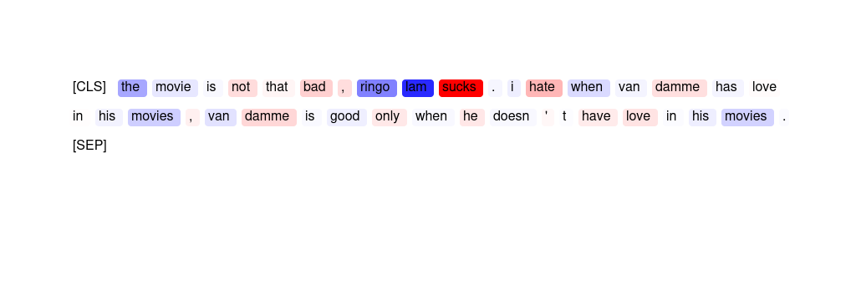
52 | ER | second nature will not go down as one of the worst tv movies of 2003 , but perhaps the worst of all time . formulaic , derivative , and every performance phoned in , from far , far away . everyone associated with this project should have a hard time looking in the mirror . | worst Everyone Formulaic worst away
53 | SMV | i would just like to say that the cure was a fabulious movie to help inform how people who are hiv positive have to function in life . expecially a young boy who can t go to school because he could contaminate someone . and the ignorance of the boys who called them faggots . that just shows how much children are not educated about aids . | The word » just « as well as the phrase » movie to help inform « were used by the model to predict this sentiment label.
54 | HM | 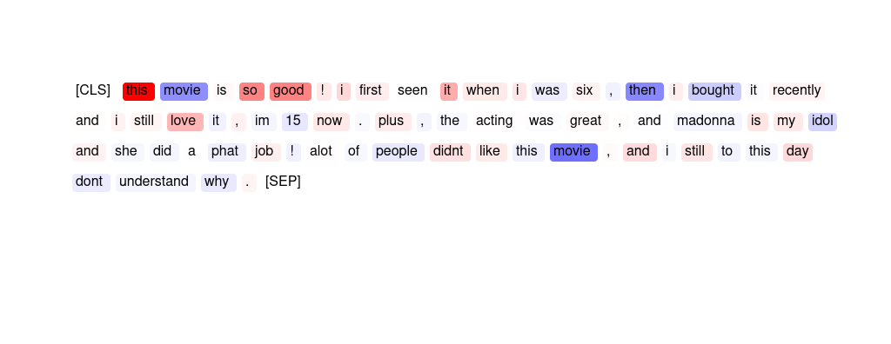
55 | GPT | this is probably the worst film i have ever seen . mike myers tries to be a dramatic actor and fails miserably . the children , who have the major roles , are almost impossible to understand and are really unpleasant characters . it was not even worth the price of the rental . | The sentiment analyzer has predicted this movie review as {placeholder} because words such as "worst", "fails", "impossible", and "unpleasant" have high negative importance scores. Additionally, the overall tone of the review is {placeholder}, with the reviewer stating that the movie is not worth the rental price.
56 | GPT | not the funniest movie ever . . . . . but i have to watch this film at least once a year just so i can fall in love with michelle johnson all over again . she never looked better than she did in this film . by the way the story is good too . | The sentiment analyzer has predicted this movie review as '{placeholder}' because the words 'funnies', 'ever', 'film', 'good', and 'way' have high importance scores for predicting {placeholder}. Additionally, the words 'watch', 'year', 'love', and 'story' also have relatively high importance scores. These words suggest that the reviewer enjoys the movie and finds it worth watching repeatedly, indicating {placeholder} sentiment. The importance scores also suggest that the reviewer appreciates the actress Michelle Johnson and considers the story to be good. However, there are also some negative importance scores for words such as 'never', 'looked', 'better', and 'too', which may indicate some criticisms or reservations about the movie.
57 | SMV | "i think that just sums up this film . watch it and you ' ll find out why . the acting of the lead character john keem is really , really bad and he has no on screen charisma whatsoever . it ' s very funny because of this thought , as is the ending where keem be heads the bad guy despite the fact he is unarmed and has surrendered . brilliant !" | The phrases » really bad and he has no « as well as » bad guy despite the fact « were most important for the model.
58 | SMV | a truly masterful piece of filmmaking . it managed to put me to sleep and to boggle my mind . so boring that it induces sleep and yet so ludicrous that it made me wonder how stuff like this gets made . avoid at all costs . that is , unless you like taking invisible cranial punishment , in which case i highly recommend it . | The phrase » truly masterful « was most important to the model.
59 | HM | 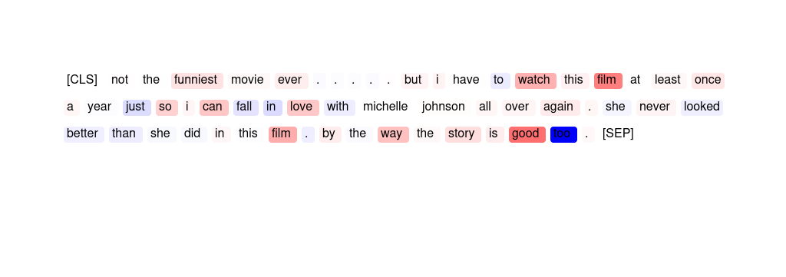
60 | GPT | "the casting of robert culp is probably the only decent move the production team made with this film . falk and culp were marvellous , but as culp was not falks nemesis this time , chemistry was lacking . columbo is only as strong as his opposite number , and this time he didn ' t have one ." | The sentiment analyzer has predicted this movie review as '{placeholder}' because of the negative importance scores associated with words such as "lacking", "film", "opposite", "chemistry", and "production team". These words indicate that the reviewer had {placeholder} opinions about the overall quality of the movie, the performances, and the production team's efforts. Additionally, the positive importance scores associated with only a few words such as "Robert" and "move" suggest that there were only a few redeeming qualities in the movie.
61 | ER | this is probably the worst film i have ever seen . mike myers tries to be a dramatic actor and fails miserably . the children , who have the major roles , are almost impossible to understand and are really unpleasant characters . it was not even worth the price of the rental . | worst miserably unpleasant fails impossible
62 | HM | 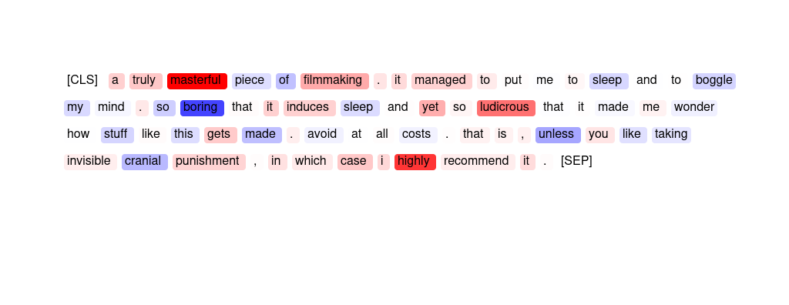
63 | HM | 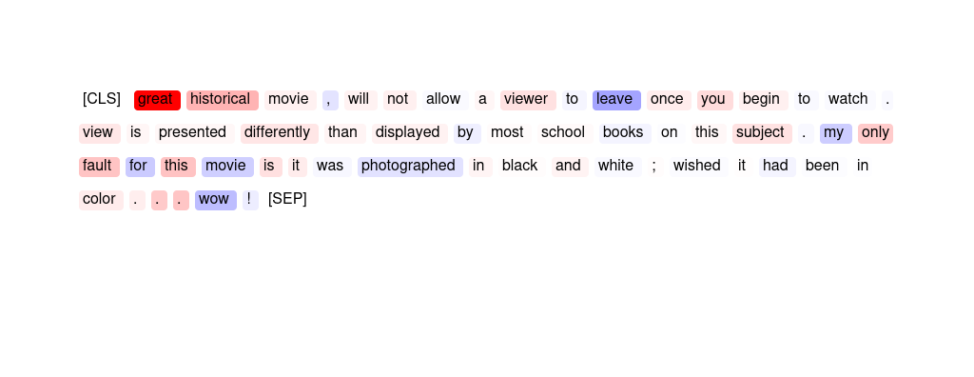
64 | GPT | "i couldn t believe how well this kid did on screen , you will completely forget that they are actors and loose yourself in the movie . it is like watching home movies with a twist . i recomend this to everyone . highly ." | The sentiment analyzer has predicted this movie review as '{placeholder}' because of the high importance scores for words such as "well", "actors", "movie", "home", "movies", and "twist". These words suggest that the reviewer enjoyed the movie and found it engaging and entertaining. The high importance score for "highly" also indicates a strong recommendation for others to watch the movie.
65 | ER | "fantastic , madonna at her finest , the film is funny and her acting is brilliant . it may have been made in the 80 ' s but it has all the qualities of a modern hollywood block - buster . i love this film and i think its totally unique and will cheer up any dr oop y person within a matter of minutes . fantastic ." | Fantastic brilliant unique finest Fantastic
66 | HM | 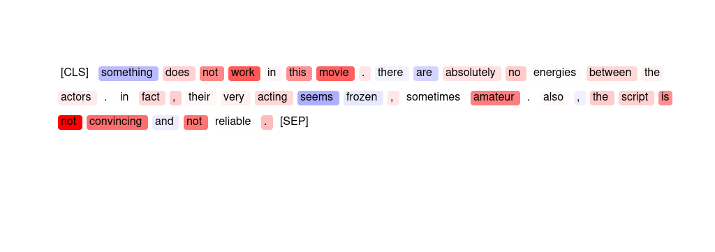
67 | ER | "i couldn t believe how well this kid did on screen , you will completely forget that they are actors and loose yourself in the movie . it is like watching home movies with a twist . i recomend this to everyone . highly ." | recomend Highly home It I
68 | HM | 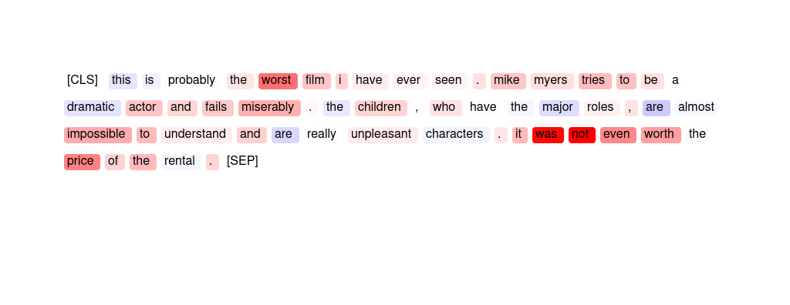
69 | GPT | a wonderful story about the consequences of obsessive love with the beautiful romantic back streets of paris as its location . we ' re transported through time and see the plot develop from the perspectives of the three main characters as the mystery unwinds . | The sentiment analyzer has predicted this movie review as '{placeholder}' because words such as "wonderful", "beautiful", "romantic", "develop", and "mystery" have high importance scores. These words suggest that the movie has a captivating and enjoyable storyline with interesting characters and locations. Additionally, the importance scores for words such as "consequences" and "obsessive love" suggest that the movie has depth and complexity, which adds to its overall {placeholder} sentiment.
70 | GPT | i thought this movie was awesome and the two guys nick and aaron are hotties ! ! ! ! ! i wish i could watch it over and over . i loved the plot and whole concept of the movie . it is great and i wish i had taped it last night . nick i love you ! ! ! ! ! ! | The sentiment analyzer has predicted this movie review as '{placeholder}' because the words 'awesome', 'hot', 'loved', 'great', and 'love' have high importance scores indicating a {placeholder} sentiment. The reviewer also expresses a desire to watch the movie again, which also contributes to a {placeholder} sentiment.
71 | HM | 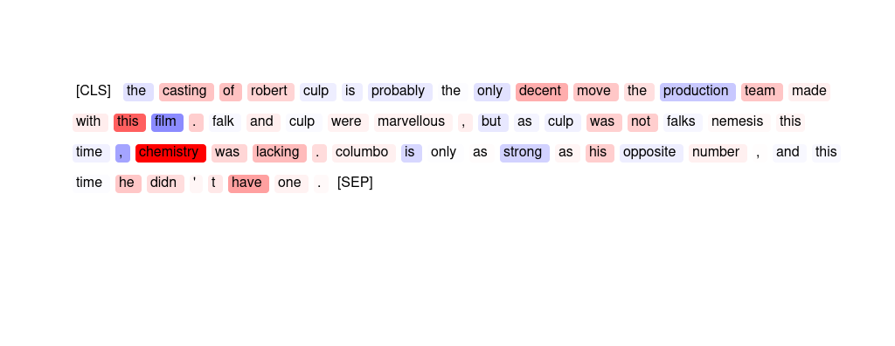
72 | HM | 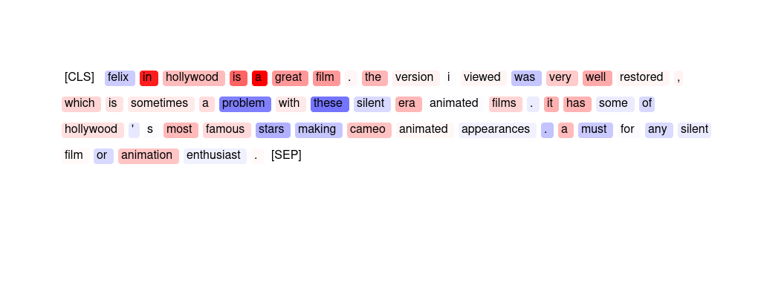
73 | ER | scary in places though the effects did leave something to be desired unless you have bad eyes ight or are afraid of the dark . however most of the acting was convincing and most of the effects were well done . i thought the creature looked a bit too much like a man in a gorilla suit for my liking . it reminded me of the original pink panther film . | convincing well done liking most
74 | SMV | "a fantastic movie , and very overlooked . gary has never been more handsome , and ingrid is more beautiful than in any other film . if you don ' t believe , just watch the movie . every cast member is wonderful ; the love scenes between gary and ingrid will make your pulse race ! the story is great , the script is oscar caliber . don ' t miss this film ! !" | The word » fantastic « is most important for the prediction. The phrase » and very « is also salient.
75 | HM | 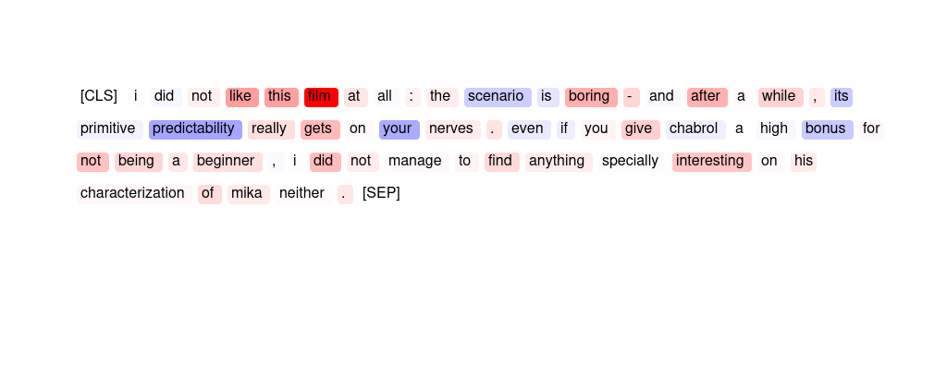
76 | HM | 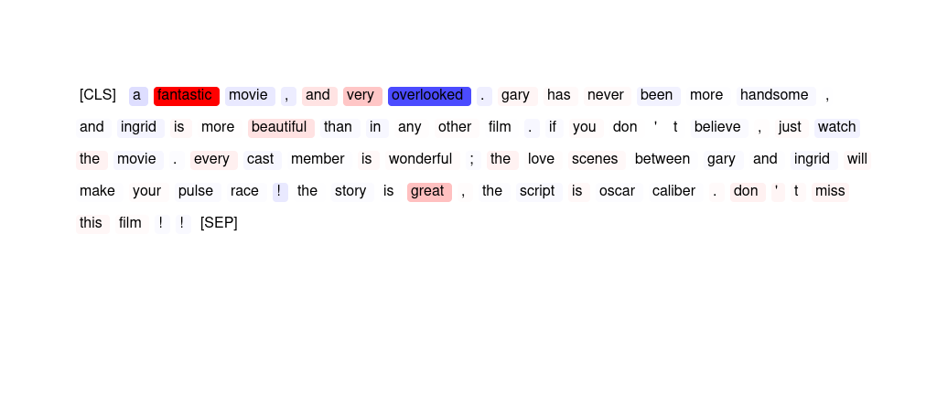
77 | GPT | very cliched . quite corny . acting gets worse as the show goes on . don ' t believe anything that folks say about the " realism " that this movie is supposed to portray . it ' s just a shoot ' em up . interesting twist in that the vc sieging the base were given a human face and weren ' t portrayed as evil incarnate . | The sentiment analyzer has predicted this movie review as {placeholder} sentiment because words such as "worse," "don't believe," and "corny" have high importance scores for predicting {placeholder}. Additionally, the importance scores for words like "acting" and "realism" are also high, indicating that the {placeholder} sentiment is largely driven by criticisms of the film's performances and lack of authenticity.
78 | ER | very cliched . quite corny . acting gets worse as the show goes on . don ' t believe anything that folks say about the " realism " that this movie is supposed to portray . it ' s just a shoot ' em up . interesting twist in that the vc sieging the base were given a human face and weren ' t portrayed as evil incarnate . | Cliched worse Quite corny Interesting
79 | GPT | i just cant see what everyone sees in this movie . the acting is just awful , the choice of music is , mildly putting it , peculiar , there arent enough fighting scenes , the plot is non - existent and whatever small entertainment one could get from this film is ruined by the annoying way some of the movie is filmed and gives you a splitting headace . | The sentiment analyzer has predicted this movie review as '{placeholder}' because of the high importance scores for words like 'awful', 'non-existent', 'ruined', 'annoying', and 'headache'. These words indicate a {placeholder} tone and overall dissatisfaction with the movie. Additionally, the low importance scores for words like 'acting', 'music', 'plot', and 'fighting scenes' suggest that these aspects of the movie did not contribute positively to the reviewer's overall opinion.
80 | GPT | "as a history of custer , this insn't even close ( custer dies to help the indians ? i am sure the other members of the 7th cav weren' t consulted in that decision . ) but as a western , this is fun . flynn looks , and acts , the part of the dashing cavalier . and the "" garry owen "" is always nice to hear !" | The sentiment analyzer has predicted this movie review as '{placeholder}' because words like "western", "fun", "acts", "nice", and "hear" have high importance scores indicating {placeholder} sentiment. The review also mentions that the actor Flynn looks and acts the part of a dash-ing cavalier, which further contributes to the {placeholder} sentiment. However, the negative importance scores for words like "Custer", "dies", and "help" suggest that there may be some {placeholder} aspects to the movie as well.
81 | ER | "another fantastic offering from the monkey island team and though it was a long time coming and had to survive the departure of ron gilbert it ' s another worthy installment . my only grip e is that it was a little short seeming in comparison to the previous two , though that might be because of a glorious lack of disk-swapping . roll on mi 4 ." | worthy fantastic glorious MI4 lack
82 | HM | 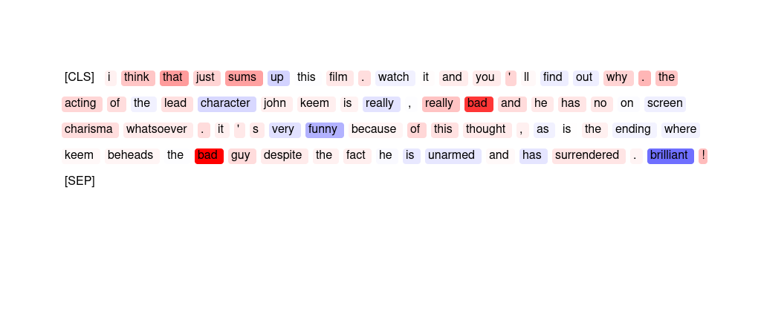
83 | GPT | the movie is not that bad , ringo lam sucks . i hate when van damme has love in his movies , van damme is good only when he doesn ' t have love in his movies . | The sentiment analyzer has predicted this movie review as '{placeholder}' because the words 'sucks' and 'hate' have high positive importance scores, while the words 'good' and 'love' have negative importance scores. Additionally, the name 'Ringo Lam' and the actor 'Van Damme' have negative importance scores, indicating that they may have contributed to the {placeholder} sentiment in the review.
84 | ER | this may just be the worst movie ever produced . worst plot , worst acting , worst special effects . . . be prepared if you want to watch this . the only way to get enjoyment out of it is to light a match and burn the tape of it , knowing it will never fall into the hands of any sane person again . | Worst worst worst worst ever
85 | SMV | if you like bad movies , this one ' s a real treat . kaufman & peters stagger around in robot costumes , escape slavery only to wander aimlessly , and find true robot love . i believe this is the first movie that ever made me consider walking out . i should note i was 12 , and could be entertained by shiny objects . | » one 's a real treat « is the span that was most important for the prediction.
86 | HM | 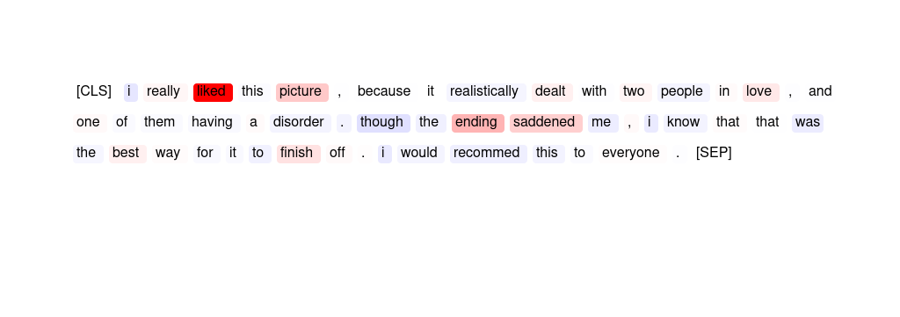
87 | ER | can you say " boring " with a capital b ! it ' s slower than watching grass grow ! it ' s more boring than watching paint dry ! you ' ll sleep right through it . . . . . we all did . . . . . don ' t do it . . . you ' ll regret it ! | dry ! regret grass boring
88 | GPT | this movie is not realistic at all , more of a comedy than a serious war film . very old - fashioned too . maybe i was just expecting it to be on a same level with " platoon " . i wonder , why 50 % of the voters gave it 10 ? something must be wrong . | The sentiment analyzer has predicted this movie review as '{placeholder}' because of the importance scores assigned to certain words. Words like 'not realistic', 'comedy', 'old-fashioned', 'expecting', 'same level', 'platoon', and 'wrong' have negative importance scores, indicating that they played a significant role in the analyzer's prediction of {placeholder} sentiment. Additionally, the word 'war' has a slightly negative importance score, which may have contributed to the overall {placeholder} sentiment prediction.
89 | SMV | "i couldn t believe how well this kid did on screen , you will completely forget that they are actors and loose yourself in the movie . it is like watching home movies with a twist . i recomend this to everyone . highly ." | The words » highly « and » recome « are most important.
90 | ER | if you like bad movies , this one ' s a real treat . kaufman & peters stagger around in robot costumes , escape slavery only to wander aimlessly , and find true robot love . i believe this is the first movie that ever made me consider walking out . i should note i was 12 , and could be entertained by shiny objects . | ever real aimlessly bad true
91 | ER | "felix in hollywood is a great film . the version i viewed was very well restored , which is sometimes a problem with these silent era animated films . it has some of hollywood ' s most famous stars making cameo animated appearances . a must for any silent film or animation enthusiast ." | great famous silent problem stars
92 | HM | 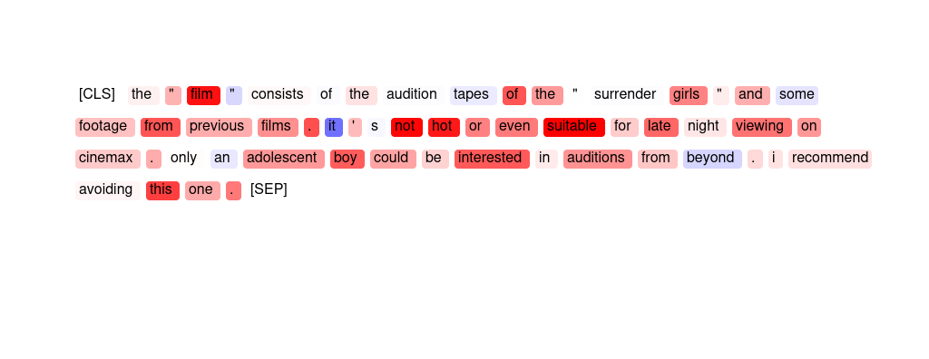
93 | SMV | "a great historical movie , will not allow a viewer to leave once you begin to watch . view is presented differently than displayed by most school books on this subject . my only fault for this movie is it was photographed in black and white ; wished it had been in color . . . wow !" | The span » color . . . « is most important for the prediction. The phrase » only fault « is also salient.
94 | ER | "excellent movie about a big media firm and the goings on both on and off camera . covering several years , the film centers on 3 upwardly mobile , young hopefuls , all striving for their place within the corporation . well written dialogue , flawless acting , and a riveting story made for 2 hours of solid entertainment ." | flawless Excellent riveting Well solid
95 | SMV | this movie is not realistic at all , more of a comedy than a serious war film . very old - fashioned too . maybe i was just expecting it to be on a same level with " platoon " . i wonder , why 50 % of the voters gave it 10 ? something must be wrong . | The phrase » realistic at all « and the span » film . very « are both salient.
96 | HM | 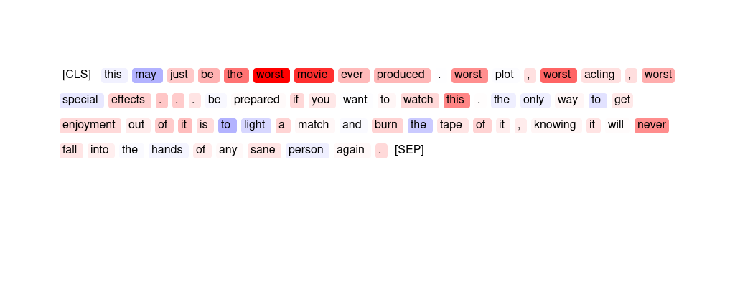
97 | SMV | a wonderful story about the consequences of obsessive love with the beautiful romantic back streets of paris as its location . we ' re transported through time and see the plot develop from the perspectives of the three main characters as the mystery unwinds . | The words » wonderful « and » love « are most important for the sentiment label.
98 | ER | "excellent performances and a solid , but not overplayed story , helped this movie exceed my expectations . this movie was far better than i was expecting after some of the reviews i had read - but frankly those reviewers just got it wrong . very inspiring and up lifting . highly recommended !" | Excellent inspiring Highly Very uplifting
99 | HM | 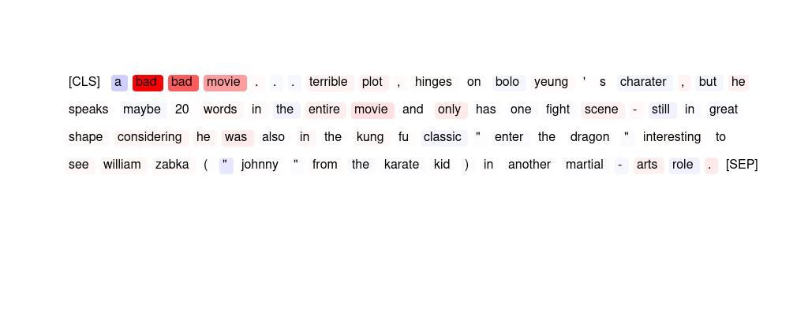
100 | SMV | "another fantastic offering from the monkey island team and though it was a long time coming and had to survive the departure of ron gilbert it ' s another worthy installment . my only grip e is that it was a little short seeming in comparison to the previous two , though that might be because of a glorious lack of disk-swapping . roll on mi 4 ." | The phrase » another worthy « is most indicative of the sentiment.
101 | SMV | "i just saw "" eagle ´s wing "" . i do not really know why this movie was made . what is the message of this story ? nevertheless i liked it . there are some exciting scenes in it . i appreciate a strong performance by martin sheen . harvey keitel is less convincing ." | The phrase » liked it « and the word » sheen « are most important for the prediction.
102 | HM | 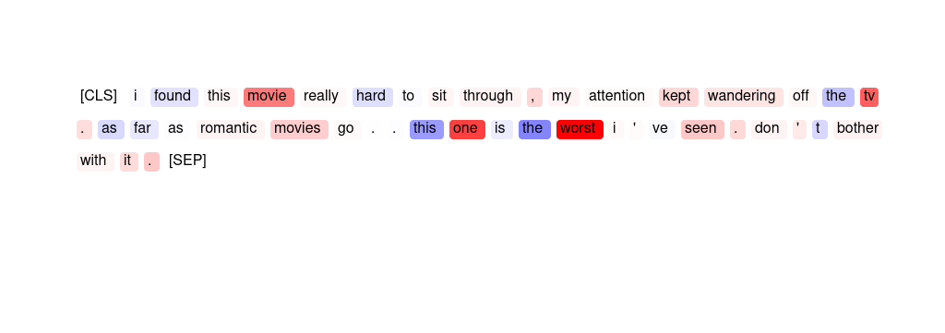
103 | SMV | "as a history of custer , this insn't even close ( custer dies to help the indians ? i am sure the other members of the 7th cav weren' t consulted in that decision . ) but as a western , this is fun . flynn looks , and acts , the part of the dashing cavalier . and the "" garry owen "" is always nice to hear !" | The phrase » is fun « and the word » acts « are most salient for the prediction.
104 | SMV | this was an absolute disgrace ! the worst dramatisation i have ever seen . german officer ' s with a spotless english accent , they didn ' t even attempt to be german . how were we supposed to take them seriously ? garbage garbage garbage ! leave the german acting to the likes of ralph fiennes & liam neeson in future . | The phrase » ! the worst drama « and the word » was « are most salient for the prediction.
105 | SMV | "felix in hollywood is a great film . the version i viewed was very well restored , which is sometimes a problem with these silent era animated films . it has some of hollywood ' s most famous stars making cameo animated appearances . a must for any silent film or animation enthusiast ." | The span » in hollywood is a great film . the « is most important for the prediction.
106 | ER | this movie is not realistic at all , more of a comedy than a serious war film . very old - fashioned too . maybe i was just expecting it to be on a same level with " platoon " . i wonder , why 50 % of the voters gave it 10 ? something must be wrong . | Very expecting not Maybe %
107 | HM | 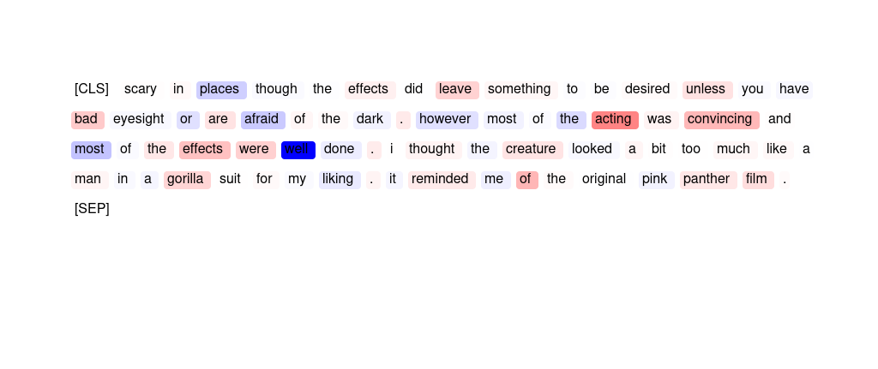
108 | SMV | i did not like this film at all : the scenario is boring - and after a while , its primitive predictability really gets on your nerves . even if you give chabrol a high bonus for not being a beginner , i did not manage to find anything specially interesting on his characterization of mika neither . | The phrase » not like this film at « was most important for the model.
109 | ER | "john cusack stars as hoops in this silly little movie that has to be one of the best of the eighties teen comedies . believe it or not demi moore is his co star . . . if you love the eighties , grew up around that time , or are an angst ridden teenage artist get ready to laugh . wait until you see the cartoons . . what a riot . . . ." | silly best Wait stars Believe
110 | SMV | scary in places though the effects did leave something to be desired unless you have bad eyes ight or are afraid of the dark . however most of the acting was convincing and most of the effects were well done . i thought the creature looked a bit too much like a man in a gorilla suit for my liking . it reminded me of the original pink panther film . | The phrase » acting was convincing and « is most important for the sentiment prediction.
111 | ER | "i just saw "" eagle ´s wing "" . i do not really know why this movie was made . what is the message of this story ? nevertheless i liked it . there are some exciting scenes in it . i appreciate a strong performance by martin sheen . harvey keitel is less convincing ." | liked appreciate ? performance Nevertheless
112 | ER | i did not like this film at all : the scenario is boring - and after a while , its primitive predictability really gets on your nerves . even if you give chabrol a high bonus for not being a beginner , i did not manage to find anything specially interesting on his characterization of mika neither . | gets boring predictability not not
113 | ER | not the funniest movie ever . . . . . but i have to watch this film at least once a year just so i can fall in love with michelle johnson all over again . she never looked better than she did in this film . by the way the story is good too . | funniest Not good but ever
114 | ER | "this movie is so good ! i first seen it when i was six , then i bought it recently and i still love it , im 15 now . plus , the acting was great , and madonna is my idol and she did a phat job ! al ot of people didn t like this movie , and i still to this day don t understand why ." | good love great ! bought
115 | HM | 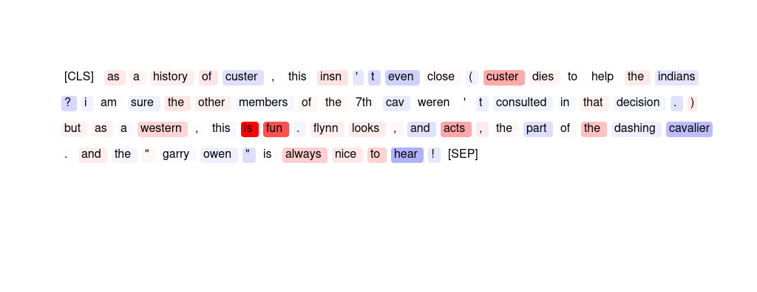
116 | ER | the " film " consists of the audition tapes of the " surrender girls " and some footage from previous films . it ' s not hot or even suitable for late night viewing on cinemax . only an adolescent boy could be interested in auditions from beyond . i recommend avoiding this one . | avoiding recommend I night one
117 | ER | the theme is controversial and the depiction of the hypocritical and sexually starved india is excellent . nothing more to this film . there is a lack of good dialogues ( why was the movie in english ? ? ) . there was lack of continuity and lack of passion / emotion in the acting . | excellent Nothing lack lack lack
118 | HM | 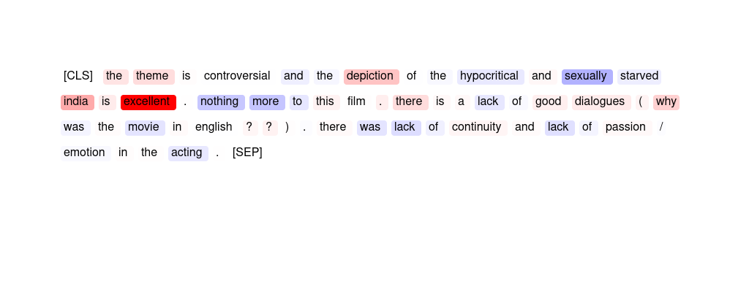
119 | SMV | "this movie is so good ! i first seen it when i was six , then i bought it recently and i still love it , im 15 now . plus , the acting was great , and madonna is my idol and she did a phat job ! al ot of people didn t like this movie , and i still to this day don t understand why ." | The most important phrase is » is so good ! i first seen it «.
120 | SMV | i found this movie really hard to sit through , my attention kept wandering off the tv . as far as romantic movies go . . this one is the worst i ' ve seen . don ' t bother with it . | The phrase » worst i ' ve « as well as the word » one « are the most salient.
121 | GPT | "john cusack stars as hoops in this silly little movie that has to be one of the best of the eighties teen comedies . believe it or not demi moore is his co star . . . if you love the eighties , grew up around that time , or are an angst ridden teenage artist get ready to laugh . wait until you see the cartoons . . what a riot . . . ." | The sentiment analyzer has predicted this movie review as {placeholder} because words like "silly", "teen comedies", "worst", "eighties", and "cartoons" have negative importance scores. Additionally, the presence of negative scores for some of the actors' names like "Cu-sack" and "Moore" may have also contributed to the {placeholder} sentiment prediction. However, there are also positive importance scores for words like "little", "best", and "laugh", which could indicate some {placeholder} aspects of the movie.
122 | GPT | "this movie is so good ! i first seen it when i was six , then i bought it recently and i still love it , im 15 now . plus , the acting was great , and madonna is my idol and she did a phat job ! al ot of people didn t like this movie , and i still to this day don t understand why ." | The sentiment analyzer has predicted this movie review as '{placeholder}' because the words 'good', 'love', 'great', 'idol', and 'job' have high importance scores indicating {placeholder} sentiment. Additionally, the reviewer mentions that they still love the movie and do not understand why some people did not like it, which further supports a {placeholder} sentiment.
123 | GPT | something does not work in this movie . there are absolutely no energies between the actors . in fact , their very acting seems frozen , sometimes amateur . also , the script is not convincing and not reliable . | The sentiment analyzer has predicted this movie review as '{placeholder}' due to the high importance scores given to {placeholder} words such as "not", "no", "amateur", "frozen", "unreliable", and "does not work". The low importance scores given to {placeholder} words such as "very", "acting", and "energies" also contribute to the {placeholder} sentiment prediction. Additionally, the overall tone of the review is {placeholder}, with criticisms of the actors and script.
124 | GPT | second nature will not go down as one of the worst tv movies of 2003 , but perhaps the worst of all time . formulaic , derivative , and every performance phoned in , from far , far away . everyone associated with this project should have a hard time looking in the mirror . | The sentiment analyzer has predicted this movie review as '{placeholder}' because of the high importance scores assigned to {placeholder} words such as 'worst', 'not', 'derivative', 'far away', and 'associated'. Additionally, the analyzer has given a high importance score to the word 'hard' in the phrase 'have a hard time', which further emphasizes the {placeholder} sentiment of the review. The {placeholder} words such as 'looking', 'performance', and 'phone' have lower importance scores, indicating that they did not have a significant impact on the overall sentiment prediction.
125 | SMV | this is probably the worst film i have ever seen . mike myers tries to be a dramatic actor and fails miserably . the children , who have the major roles , are almost impossible to understand and are really unpleasant characters . it was not even worth the price of the rental . | The span » . it was not even worth « is most important for the sentiment analysis.
126 | SMV | something does not work in this movie . there are absolutely no energies between the actors . in fact , their very acting seems frozen , sometimes amateur . also , the script is not convincing and not reliable . | The phrase » the script is not convincing « is most salient for the model's prediction.
127 | HM | 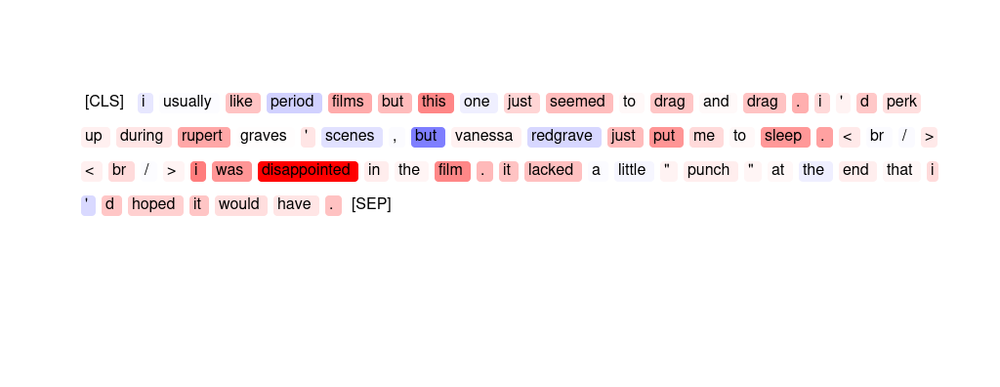
128 | SMV | the " film " consists of the audition tapes of the " surrender girls " and some footage from previous films . it ' s not hot or even suitable for late night viewing on cinemax . only an adolescent boy could be interested in auditions from beyond . i recommend avoiding this one . | The phrase » not hot or even suitable for « is most important for the sentiment analysis.
129 | ER | "a fantastic movie , and very overlooked . gary has never been more handsome , and ingrid is more beautiful than in any other film . if you don ' t believe , just watch the movie . every cast member is wonderful ; the love scenes between gary and ingrid will make your pulse race ! the story is great , the script is oscar caliber . don ' t miss this film ! !" | fantastic wonderful great caliber !!
130 | ER | "the casting of robert culp is probably the only decent move the production team made with this film . falk and culp were marvellous , but as culp was not falks nemesis this time , chemistry was lacking . columbo is only as strong as his opposite number , and this time he didn ' t have one ." | lacking marvellous Columbo only made
131 | HM | 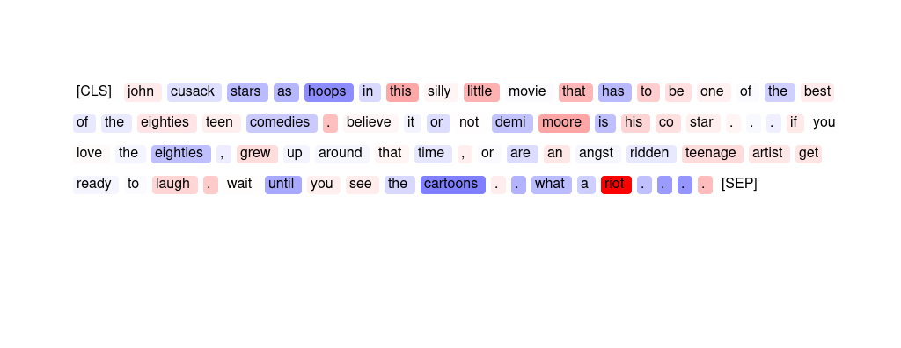
132 | ER | something does not work in this movie . there are absolutely no energies between the actors . in fact , their very acting seems frozen , sometimes amateur . also , the script is not convincing and not reliable . | no not absolutely not frozen
133 | HM | 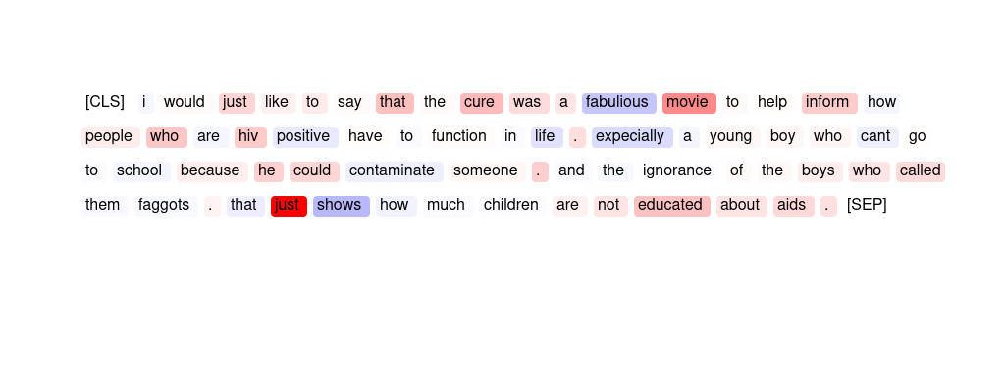
134 | ER | i just cant see what everyone sees in this movie . the acting is just awful , the choice of music is , mildly putting it , peculiar , there arent enough fighting scenes , the plot is non - existent and whatever small entertainment one could get from this film is ruined by the annoying way some of the movie is filmed and gives you a splitting headace . | awful ruined headace cant mildly
135 | GPT | "a fantastic movie , and very overlooked . gary has never been more handsome , and ingrid is more beautiful than in any other film . if you don ' t believe , just watch the movie . every cast member is wonderful ; the love scenes between gary and ingrid will make your pulse race ! the story is great , the script is oscar caliber . don ' t miss this film ! !" | The sentiment analyzer has predicted this movie review as '{placeholder}' because the words "fantastic", "very", "beautiful", "wonderful", "great", and "oscar caliber" have high importance scores indicating that they strongly contribute to the {placeholder} sentiment of the review. Additionally, the {placeholder} descriptions of the cast and love scenes also contribute to the overall {placeholder} sentiment.
136 | SMV | i thought this movie was awesome and the two guys nick and aaron are hotties ! ! ! ! ! i wish i could watch it over and over . i loved the plot and whole concept of the movie . it is great and i wish i had taped it last night . nick i love you ! ! ! ! ! ! | The word » great « and the phrase » i love you ! « are also salient.
137 | HM | 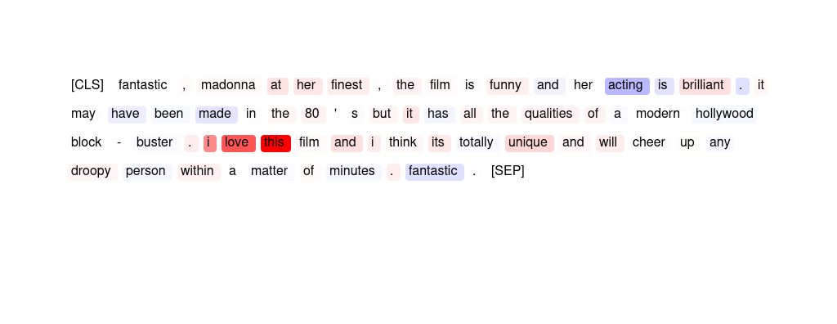
138 | GPT | "felix in hollywood is a great film . the version i viewed was very well restored , which is sometimes a problem with these silent era animated films . it has some of hollywood ' s most famous stars making cameo animated appearances . a must for any silent film or animation enthusiast ." | The sentiment analyzer has predicted this movie review as '{placeholder}' because words like "great", "well restored", "famous", "must", "animation enthusiast" have high importance scores indicating {placeholder} sentiment. Additionally, words like "problem" and "cameo" have lower importance scores, suggesting that they do not significantly impact the overall {placeholder} sentiment of the review.
139 | GPT | can you say " boring " with a capital b ! it ' s slower than watching grass grow ! it ' s more boring than watching paint dry ! you ' ll sleep right through it . . . . . we all did . . . . . don ' t do it . . . you ' ll regret it ! | The sentiment analyzer has predicted this movie review as '{placeholder}' because of the high importance scores for {placeholder} words such as "boring", "slower", "more boring", "sleep", "regret" and the low importance scores for {placeholder} words such as "can", "say", "with", "capital", "watching". The overall sentiment of the text is {placeholder} due to the high importance of {placeholder} words.
140 | HM | 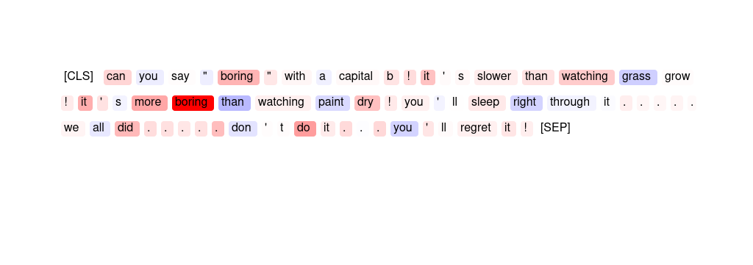
141 | ER | i found this movie really hard to sit through , my attention kept wandering off the tv . as far as romantic movies go . . this one is the worst i ' ve seen . don ' t bother with it . | worst hard romantic found really
142 | ER | a truly masterful piece of filmmaking . it managed to put me to sleep and to boggle my mind . so boring that it induces sleep and yet so ludicrous that it made me wonder how stuff like this gets made . avoid at all costs . that is , unless you like taking invisible cranial punishment , in which case i highly recommend it . | masterful ludicrous recommend Avoid truly
143 | GPT | "excellent performances and a solid , but not overplayed story , helped this movie exceed my expectations . this movie was far better than i was expecting after some of the reviews i had read - but frankly those reviewers just got it wrong . very inspiring and up lifting . highly recommended !" | The sentiment analyzer has predicted this movie review as '{placeholder}' because the words with high importance scores such as 'excellent performances', 'solid', 'far better', 'highly recommended', 'uplifting' and 'inspiring' indicate a {placeholder} tone. Additionally, the words with negative importance scores such as 'not overplayed' and 'exceeded my expectations' suggest that the movie was better than expected, further reinforcing the {placeholder} sentiment.
144 | SMV | can you say " boring " with a capital b ! it ' s slower than watching grass grow ! it ' s more boring than watching paint dry ! you ' ll sleep right through it . . . . . we all did . . . . . don ' t do it . . . you ' ll regret it ! | The two phrases » more boring « and » it ' s « are salient with respect to the outcome.
145 | SMV | "excellent movie about a big media firm and the goings on both on and off camera . covering several years , the film centers on 3 upwardly mobile , young hopefuls , all striving for their place within the corporation . well written dialogue , flawless acting , and a riveting story made for 2 hours of solid entertainment ." | The words » solid « and » well « are most salient.
146 | SMV | "the casting of robert culp is probably the only decent move the production team made with this film . falk and culp were marvellous , but as culp was not falks nemesis this time , chemistry was lacking . columbo is only as strong as his opposite number , and this time he didn ' t have one ." | The span » chemistry was lacking . « is most important for the prediction. The phrase » made with this « is also salient.
147 | ER | i would just like to say that the cure was a fabulious movie to help inform how people who are hiv positive have to function in life . expecially a young boy who can t go to school because he could contaminate someone . and the ignorance of the boys who called them faggots . that just shows how much children are not educated about aids . | Cure <unk> just just to
148 | GPT | i would just like to say that the cure was a fabulious movie to help inform how people who are hiv positive have to function in life . expecially a young boy who can t go to school because he could contaminate someone . and the ignorance of the boys who called them faggots . that just shows how much children are not educated about aids . | The sentiment analyzer has predicted this movie review as '{placeholder}' because there are several {placeholder} words with high importance scores such as "fa", "bu", "lio", "us", "positive", "ignorance", "fa", "gg", "ots", "not", and "aids". Additionally, there are several words with negative importance scores such as "life", "young", "can't", "ignorance", "much", and "children". These words contribute to the {placeholder} sentiment of the review.
149 | SMV | i usually like period films but this one just seemed to drag and drag . i ' d perk up during rupert graves ' scenes , but vanessa redgrave just put me to sleep . < br / > < br / > i was disappointed in the film . it lacked a little " punch " at the end that i ' d hoped it would have . | » > i was disappointed in the film . « was most important for the prediction.
150 | SMV | a bad bad movie . . . terrible plot , hinges on bolo yeung ' s charater , but he speaks maybe 20 words in the entire movie and only has one fight scene - still in great shape considering he was also in the kung fu classic " enter the dragon " interesting to see william zabka ( " johnny " from the karate kid ) in another martial - arts role . | The span » bad bad movie . « was the most important for the prediction.
151 | SMV | officially the first martial arts movie in ussr cinematography featuring actual martial artists like tadeush kas ' yanov and russian bruce lee - talgat nigmatullin . bad people highjack a ship in the high seas but fortunately just about everybody on board is a trained martial artist . a collectible for martial arts aficionado . | Both phrases » martial arts movie in « and » seas but fortunately just about « were important for the prediction.
152 | HM | 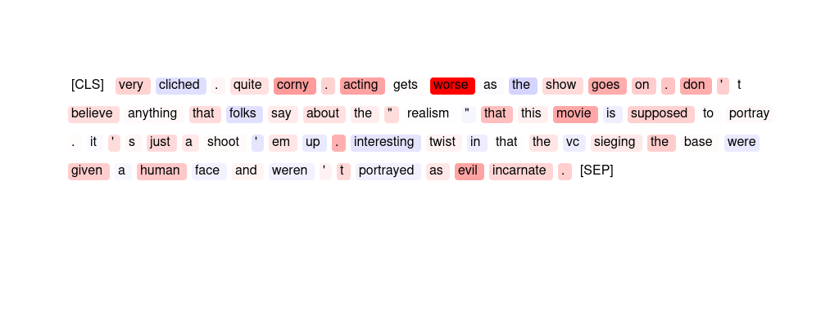
153 | GPT | this may just be the worst movie ever produced . worst plot , worst acting , worst special effects . . . be prepared if you want to watch this . the only way to get enjoyment out of it is to light a match and burn the tape of it , knowing it will never fall into the hands of any sane person again . | The sentiment analyzer has predicted this movie review as '{placeholder}' because the words 'worst', 'plot', 'acting', and 'special effects' have high importance scores indicating {placeholder} sentiment. Additionally, words such as 'just', 'may', and 'prepared' also have negative importance scores, contributing to the overall {placeholder} sentiment prediction.
154 | SMV | "i really liked this picture , because it realistically dealt with two people in love , and one of them having a disorder . though the ending saddened me , i know that that was the best way for it to finish off . i would recommed this to everyone ." | The phrases » really liked « and » ending sad « are most important.
155 | HM | 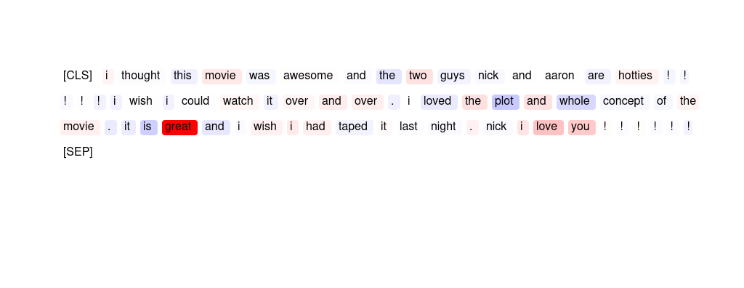
156 | GPT | this was an absolute disgrace ! the worst dramatisation i have ever seen . german officer ' s with a spotless english accent , they didn ' t even attempt to be german . how were we supposed to take them seriously ? garbage garbage garbage ! leave the german acting to the likes of ralph fiennes & liam neeson in future . | The sentiment analyzer has predicted this movie review as '{placeholder}' because of the high importance scores given to words such as 'worst', 'disgrace', 'garbage', and 'leave'. These words indicate a strong {placeholder} opinion towards the movie. Additionally, the importance scores given to words such as 'German officer with a spotless English accent' and 'supposed to take them seriously' suggest that the reviewer found the movie to be unrealistic and lacking in authenticity.
157 | ER | a bad bad movie . . . terrible plot , hinges on bolo yeung ' s charater , but he speaks maybe 20 words in the entire movie and only has one fight scene - still in great shape considering he was also in the kung fu classic " enter the dragon " interesting to see william zabka ( " johnny " from the karate kid ) in another martial - arts role . | terrible bad bad great Interesting
158 | SMV | "excellent performances and a solid , but not overplayed story , helped this movie exceed my expectations . this movie was far better than i was expecting after some of the reviews i had read - but frankly those reviewers just got it wrong . very inspiring and up lifting . highly recommended !" | The span » inspiring and uplifting . highly recommended « is most important for the prediction.
159 | SMV | very cliched . quite corny . acting gets worse as the show goes on . don ' t believe anything that folks say about the " realism " that this movie is supposed to portray . it ' s just a shoot ' em up . interesting twist in that the vc sieging the base were given a human face and weren ' t portrayed as evil incarnate . | The span » corny . acting gets worse « is important for the model prediction.
160 | HM | 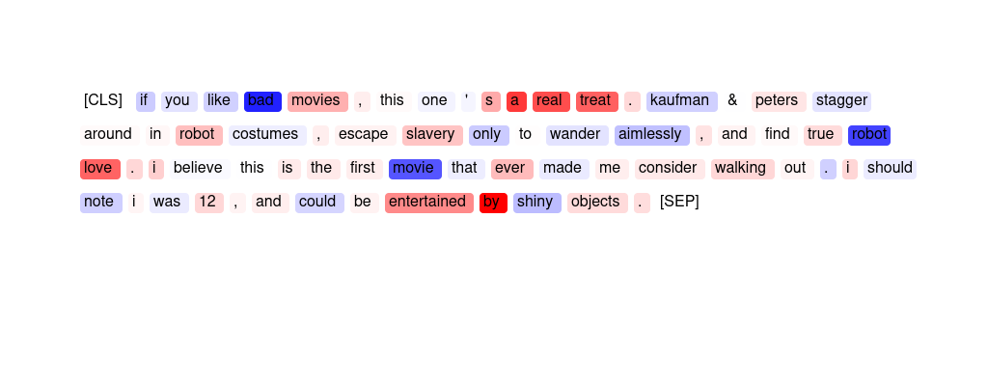

AG News (News topic classificat
Sort | Type | Input Text | Explanation | What does the model predict? | How helpful do you find the explanation for guessing the model prediction? 1 (not helpful) - 7 (very helpful) | How easy is the explanation to understand? 1 (very difficult) - 7 (very easy)
1 | SMV | boxer begs bush to back bum bill members of california ' s congressional team make one last effort to look good for the tech industry back home . | The phrase » tech industry « is most important for the prediction, but the word » congressional « is also salient.
2 | SMV | "teenager charged with creating sasser informants , seeking a reward from microsoft , led police to the german student ." | The words » microsoft , « and » student . « (including punctuations) are most salient.
3 | HM
4 | HM | 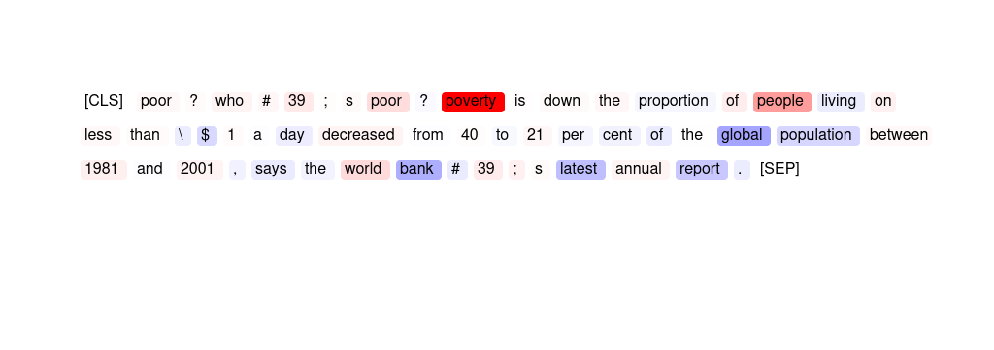
5 | GPT | "french take gold , bronze in single kayak athens , greece - winning on whitewater runs in the family for frenchman benoit peschier , though an olympic gold is something new . peschier paddled his one - man kayak aggressively but penalty free in both his semifinal and final runs on the manmade olympic . . ." | The importance scores indicate that the news article is mostly focused on France winning gold and bronze in a kayaking competition in Athens, Greece. However, there are also mentions of the Olympic Games and the French athlete Benoit Peschier. Overall, the scores suggest that the article is relevant to the '{placeholder}' topic due to its coverage of {placeholder} events and athletes.
6 | SMV | "ubs pays 265 million dollars for schwab capital markets business ( afp ) afp - swiss banking group ubs said that it had paid 265 million dollars ( 219 million euros ) to buy soundview , the capital markets division of online broker charles schwab to strengthen its position on the us nasdaq market ." | The phrase » division of online « and the word » market . « were most salient.
7 | GPT | "us economic growth slips to 2 . 8 annual us economic growth fell to 2 . 8 in the second quarter of 2004 , marking a slowdown from the 3 estimated a month ago ." | The importance scores indicate that the article is mainly about the US {placeholder} and its growth rate, which are key topics in {placeholder}. The scores for words such as "economic growth," "slips," "annual," and "second quarter" suggest that the article is discussing the latest {placeholder} data, which is of great interest to {placeholder} professionals and investors. Therefore, the topic classifier correctly predicted this article as '{placeholder}' based on the significant importance of {placeholder} terms in the text.
8 | GPT | "jolly online shop pers making cash registers jingle online holiday shop pers this year are making cash registers jingle and meeting analysts 39 ; expectations as they spent \ $ 8 . 8 billion in november , researchers said monday ." | The topic classifier predicted this news article as '{placeholder}' because of the high importance scores of words like "online shop", "cash registers", and "spent". Additionally, the mention of researchers and their findings further supports the prediction.
9 | GPT | google shares down ahead of first lockup expiry shares in newly public google inc . fell 2 percent on wednesday as investors braced for the expiration of a lockup period that has kept insiders at the web search company from selling stock . | The importance scores suggest that the article is related to {placeholder}, with high scores for "Google," "shares," "lock-up," "web search," and "company." The article discusses Google's stock and the expiration of a lock-up period, which are {placeholder} topics related to {placeholder}. Additionally, the high importance score for "web search" further supports the article's connection to {placeholder}. Therefore, the topic classifier likely predicted this article as '{placeholder}' due to its focus on Google and {placeholder}.
10 | GPT | "crude price spike may send gas higher ( ap ) ap - amid soaring crude oil prices , gasoline costs have been dropping . but don ' t expect that to last , economists say ." | The importance scores show that the words 'crude', 'price', 'spike', and 'gas' are the most important in this article, indicating that it is discussing changes in the oil and gas industry. Additionally, the high score for 'economists' suggests that the article may be discussing the {placeholder} impact of these changes. Overall, the importance scores suggest that this article is focused on {placeholder} news related to the oil and gas industry.
11 | SMV | "as french school year begins , iraq crisis tests head scarf ban paris - - school doors open for 12 million french children today , but there is far more at stake this year than back - to - school jitters ." | The phrase » 12 million french children today « is most important in this article.
12 | SMV | "business glance somers , ny - pepsi bottling group inc . , the largest bottler of pepsico inc . beverages , tuesday said its profit for the latest quarter rose 4 . 4 percent as volume improved ." | » bottle «, » profit « and » volume « are all salient, but punctuation was also important for the prediction.
13 | HM | 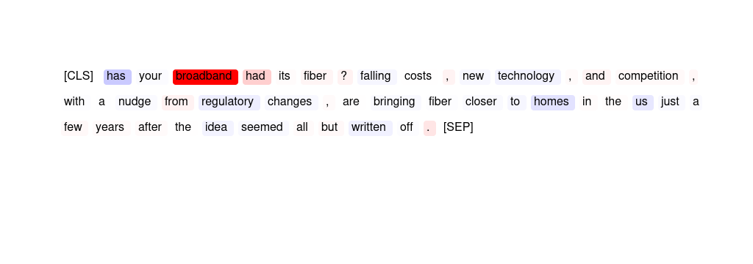
14 | GPT | "vote 2004 - a guide to the primary get ready for the primary with the herald - tribunes special news section profiling all the federal , state and local candidates in races in tuesdays election ." | The importance scores suggest that the article contains information about candidates in federal, state, and local races in an upcoming election. However, these scores do not indicate any significant relevance to the topic of {placeholder}. Therefore, it is unclear why the topic classifier predicted this article as '{placeholder}'.
15 | SMV | german investor confidence slumped in september berlin - german investor confidence dropped sharply in september , a key economic indicator released tuesday showed amid concerns about the impact of high oil prices on consumer demand and the outlook for the global economy . | The most salient words in this article are » economy «, » investor « and » oil «.
16 | HM
17 | GPT | "business glance somers , ny - pepsi bottling group inc . , the largest bottler of pepsico inc . beverages , tuesday said its profit for the latest quarter rose 4 . 4 percent as volume improved ." | The words "business", "profit", "bottle", "Pepsi", and "volume" have the highest importance scores, indicating that they are the most relevant to the topic of {placeholder}. The article discusses the {placeholder} performance of Pepsi Bottling Group, which is a {placeholder}-related topic. Therefore, the high importance scores for these words likely influenced the topic classifier to predict this article as '{placeholder}'.
18 | GPT | "jays power up to take finale contrary to popular belief , the power never really snapped back at skydome on sunday . the lights came on after an hour delay , but it took some extra time for the batting orders to provide some extra wattage ." | The importance scores indicate that the news article is related to {placeholder} because of the high score for "batting" (6.16) and the mention of "Jays" (0.38) and "finale" (0.64), which suggest a baseball game. Other words like "power" and "lights" also suggest a {placeholder} event.
19 | GPT | "india ' s tata makes powerful debut shares in indian software services giant tata consultancy close 16 higher on their market debut , raising \ $ 1 . 2bn for the company ." | The words 'Tata', 'shares', 'software', 'services', 'market', 'raising', and 'company' have high importance scores, indicating that they are strongly associated with {placeholder}. The article discusses the debut of Tata Consultancy on the Indian software services market and the amount of money raised, further confirming its relevance to the {placeholder} topic.
20 | GPT | "virgin starts ( 70 ) mile - high club with the misery that has plagued the airline industry recently , the last place you 39 ; d expect to see some inspiring - - heck , potentially rule - breaking - - thinking would be from an airline entrepreneur ." | The importance scores suggest that the article is about an airline, which is a significant industry in {placeholder}. The word "entrepreneur" also indicates a focus on {placeholder}. The scores also suggest that the article may discuss potential innovative or rule-breaking ideas, which are often of interest to those in {placeholder}. Overall, the importance scores align with the '{placeholder}' topic prediction.
21 | SMV | "business week names adler its new editor stephen j . adler , deputy managing editor of the wall street journal , has been named editor of business week magazine , succeeding stephen b . shepard , who announced last week that he would retire from the magazine to become the first dean of a new" | The phrase » wall street journal « is most important and the words » business « and » managing « are also salient.
22 | HM | 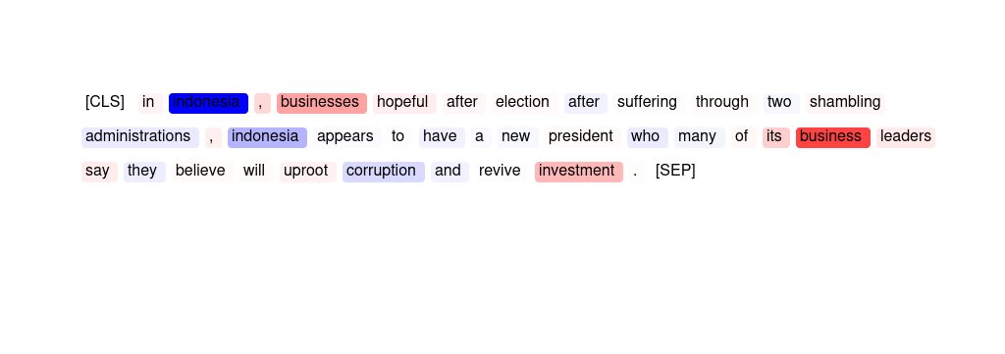
23 | HM | 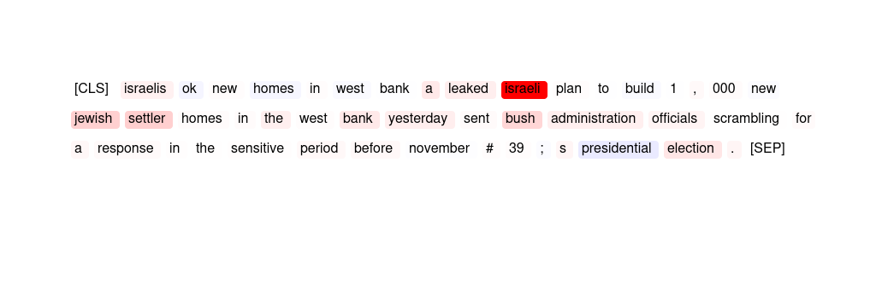
24 | HM | 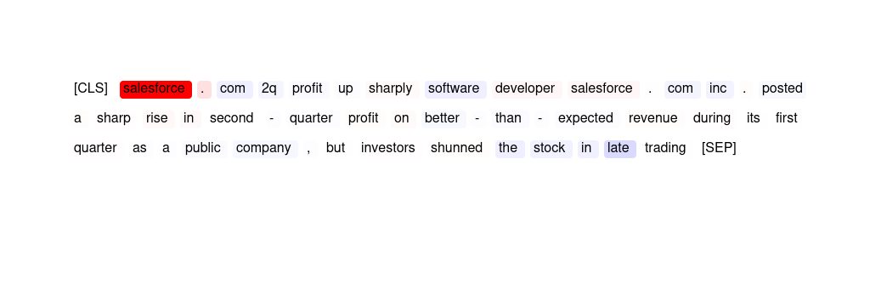
25 | SMV | ibm chips may someday heal themselves new technology applies electrical fuse s to help identify and repair faults . | The words » faults . « and » electrical « are most important for the model's prediction.
26 | GPT | "sap awarded \ $ 35 million postal service contract the postal service , which employs more than a third of the civilian employees of the federal government , chose sap after a multi - year evaluation , it said ." | The topic classifier predicted this news article as '{placeholder}' because the word "sap" has the highest importance score of 6.34, suggesting that it is a significant factor in the prediction. Additionally, the words "contract," "evaluation," and "multi-year" also have relatively high importance scores, indicating that they may have contributed to the classifier's prediction of a {placeholder}-related topic.
27 | HM | 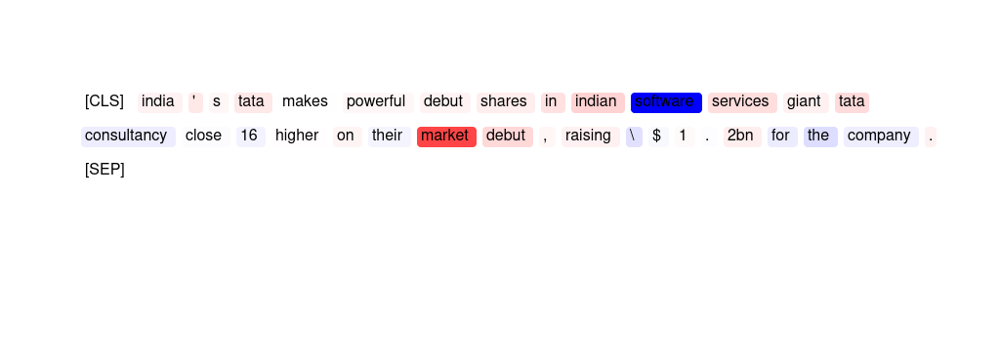
28 | GPT | "selling houston warts and all , especially warts descriptions of urban afflictions and images of giant mosquitoes and cockroaches to convey a sense of how houston is nevertheless beloved by many residents ." | The topic classifier predicted this news article as '{placeholder}' because the word "selling" received the highest importance score of 5.98. This suggests that the article may be discussing sales or transactions related to {placeholder}. Other words with positive importance scores, such as "war" and "conflictions," may also be related to {placeholder} dealings or negotiations. However, it is important to note that the article may not necessarily be solely focused on {placeholder} topics, as there are also negative importance scores for words like "cockroaches" and "beloved."
29 | HM | 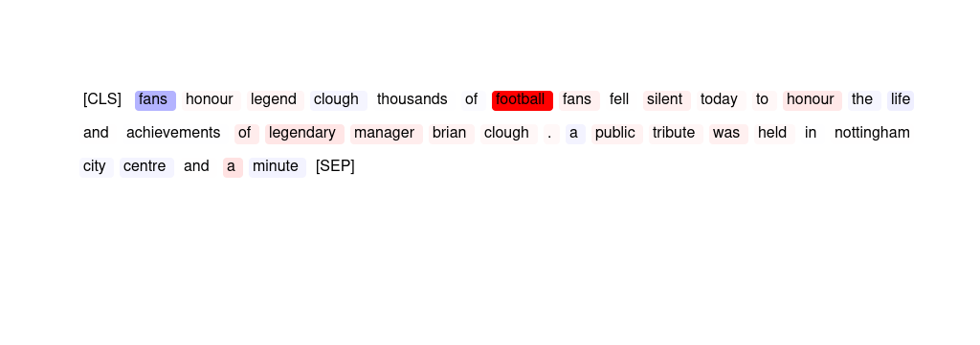
30 | GPT | "sharon orders 1 , 000 homes in west bank israel announced plans for 1 , 000 houses in the west bank yesterday , accelerating the expansion of the settlements ." | The importance scores suggest that the main focus of the news article is on Israel's announcement of plans to build 1,000 houses in the West Bank, which is relevant to {placeholder} and therefore falls under the '{placeholder}' topic. The words 'Israel', 'announced', 'expansion', 'settlements', and 'West Bank' are particularly important in this regard.
31 | SMV | "israelis ok new homes in west bank a leaked israeli plan to build 1 , 000 new jewish settler homes in the west bank yesterday sent bush administration officials scrambling for a response in the sensitive period before november # 39 ; s presidential election ." | Both phrases » a leaked israeli plan « and » jewish settler « are indicative of the model's topic classification.
32 | SMV | "vote 2004 - a guide to the primary get ready for the primary with the herald - tribunes special news section profiling all the federal , state and local candidates in races in tuesdays election ." | The three most important tokens are » election «, » federal « and » candidates «.
33 | HM | 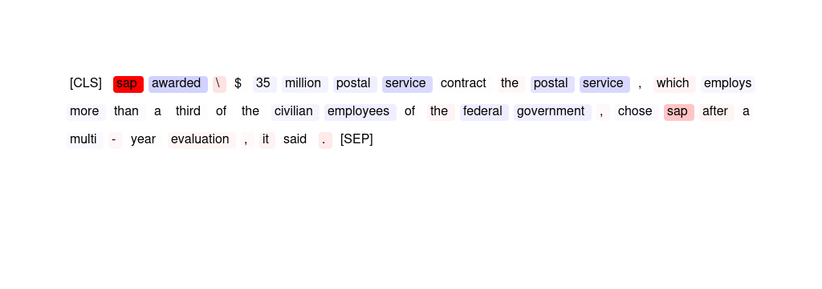
34 | HM | 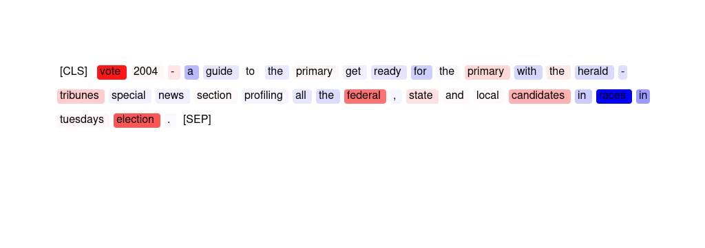
35 | HM | 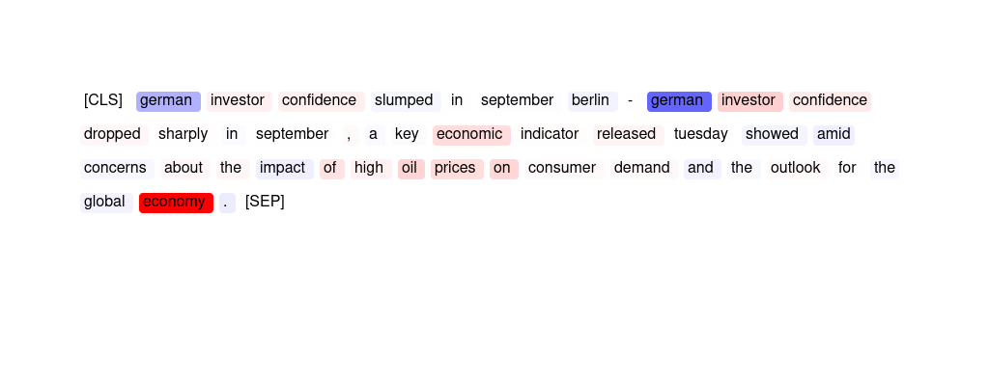
36 | GPT | smith setback for windies west indies have been forced to make a second change to their champions trophy squad because of injury . dwayne smith is suffering from a shoulder problem and has been replaced by ryan hinds . | The importance scores show that the words "champions," "trophy," "squad," and "injury" have high importance scores, indicating that the article is likely about a {placeholder} team and their participation in a tournament. Additionally, the name "Smith" appears multiple times with high importance scores, suggesting that he is a key player on the team. Overall, the importance scores suggest that the article is indeed about {placeholder}, specifically a team dealing with injuries and making changes to their lineup for a tournament.
37 | GPT | "teenager charged with creating sasser informants , seeking a reward from microsoft , led police to the german student ." | The high importance score given to "Microsoft" suggests that the article is related to {placeholder}. Additionally, the mention of a teenager creating an informant system could also be related to {placeholder}, further supporting the '{placeholder}' prediction.
38 | HM | 
39 | SMV | worldpay struck by online attack net payment system worldpay is under attack from hackers delaying transaction times for hundreds of online retailers . | » payment system « is most important for the prediction. The word » retailers « is also salient.
40 | GPT | "ubs pays 265 million dollars for schwab capital markets business ( afp ) afp - swiss banking group ubs said that it had paid 265 million dollars ( 219 million euros ) to buy soundview , the capital markets division of online broker charles schwab to strengthen its position on the us nasdaq market ." | The words "online broker," "capital markets," and "market" have high importance scores, indicating that they are likely related to {placeholder}. Additionally, the mention of a company buying another company to strengthen its position in the US market further supports the idea that this article is related to {placeholder}. Therefore, the topic classifier predicted this news article as '{placeholder}'.
41 | SMV | telescope snaps distant ' planet ' the first direct image of a planet circling another star may have been obtained by a us - european team of astronomers . | The phrase » distant ' planet ' « was most important for the model's judgment.
42 | HM
43 | HM | 
44 | HM
45 | HM
46 | HM | 
47 | SMV | redskins coach bemoans questionable calls ( ap ) ap - apparently even a hall of fame coach doesn ' t get a break from the officials . | The phrase » coach doesn 't « as well as the word » of « were influential for the model's prediction.
48 | GPT | "poor ? who 39 ; s poor ? poverty is down the proportion of people living on less than \ $ 1 a day decreased from 40 to 21 per cent of the global population between 1981 and 2001 , says the world bank 39 ; s latest annual report ." | The importance scores indicate that the words related to poverty and {placeholder} population have negative scores, while words related to {placeholder} such as "world bank" and "annual report" have positive scores. Therefore, the topic classifier may have predicted this news article as '{placeholder}' due to the presence of these {placeholder}-related words and their higher importance scores compared to other words.
49 | GPT | "israelis ok new homes in west bank a leaked israeli plan to build 1 , 000 new jewish settler homes in the west bank yesterday sent bush administration officials scrambling for a response in the sensitive period before november # 39 ; s presidential election ." | The topic classifier predicted this news article as '{placeholder}' because of the high importance scores for words related to {placeholder} affairs, such as "Israelis," "Israeli plan," "new Jewish settler homes," and "Bush administration officials." The scores suggest that the article discusses a sensitive issue with {placeholder} implications, which would be relevant to a '{placeholder}' topic.
50 | GPT | florida deaths blamed on hurricane frances state and local officials tuesday said nine people have died in florida because of hurricane frances . the following describes those deaths : - a 15 - year - old grandson and a former son | The importance scores do not indicate why the topic classifier predicted this news article as '{placeholder}'. The scores only indicate the importance of each word in the text for the topic classifier.
51 | SMV | "icing call out of money , out of patience , out of time , and for the foreseeable future , out of business ." | Both phrases » of business « and » of money « were most salient.
52 | HM | 
53 | SMV | "selling houston warts and all , especially warts descriptions of urban afflictions and images of giant mosquitoes and cockroaches to convey a sense of how houston is nevertheless beloved by many residents ." | The words » houston « and » afflictions « are most salient.
54 | SMV | "arafat urges reforms to rectify his # 39 ; mistakes # 39 ; yasser arafat , the palestinian president , made a rare acknowledgement of mistakes under his rule yesterday and urged reforms to end corruption ." | The two phrases » palestinian president « and » his rule yesterday and « were important.
55 | HM | 
56 | HM | 
57 | HM | 
58 | HM
59 | GPT | "in indonesia , businesses hopeful after election after suffering through two sham bling administrations , indonesia appears to have a new president who many of its business leaders say they believe will up ro ot corruption and revive investment ." | The importance scores suggest that the article is primarily focused on {placeholder}-related topics. Words such as "businesses", "election", "president", "leaders", "investment", and "corruption" have high importance scores, indicating that they are relevant to the topic of {placeholder}. The article discusses how {placeholder} in Indonesia are hopeful after the election of a new president who they believe will tackle corruption and revive investment. Therefore, it is likely that the topic classifier predicted this news article as '{placeholder}' based on these {placeholder}-related themes.
60 | SMV | "jury can hear of kobe accuser ' s sex life ( ap ) ap - prosecutors suffered another setback monday in the kobe bryant sexual assault case , losing a last - ditch attempt to keep the nba star ' s lawyers from telling jurors about the alleged victim ' s sex life ." | The phrases » nba star « and » kobe bryant « are both important in producing this outcome.
61 | HM | 
62 | HM
63 | SMV | indian state rolls out wireless broadband government in south indian state of kerala sets up wireless ki os ks as part of initiative to bridge digital divide . | The words » wireless « and » government « are most salient.
64 | HM
65 | HM | 
66 | HM | 
67 | GPT | "glory comes amid empty seats and closed shutters here in old europe , people install shutters outside their windows to keep out the heat , the pollution , the daylight , the noise . they also lock the shutters tight when they go away on holiday ." | The importance scores suggest that the article is discussing a common practice in old Europe where people install shutters outside their windows to keep out heat, pollution, daylight, and noise. This practice is likely not unique to one specific country or region, which could be why the topic classifier predicted it as a '{placeholder}' topic.
68 | GPT | "after being bounced around florida is bouncing back although the three hurricanes that have hit florida led to a broad economic slowdown , the glimmerings of a miniboom are already apparent ." | The importance scores indicate that the article discusses the {placeholder} impact of the recent hurricanes in Florida, which is a key topic in {placeholder}. The high score for "economic" and the phrase "broad economic slowdown" suggest that the article focuses on the {placeholder} consequences of the natural disasters. Additionally, the negative scores for words like "hit" and "already apparent" imply that the article is discussing negative effects on {placeholder}. Overall, the importance scores suggest that the article is relevant to {placeholder} due to its focus on the {placeholder} impact of the hurricanes.
69 | SMV | "ca , partners move on as kumar faces charges concern over the fate of former computer associates international chairman and ceo sanjay kumar accompanied the collective sigh of relief felt by ca partners last week when federal prosecutors settled a two - year - old accounting fraud investigation with the" | The three most important words for the model's outcome are » computer «, » ca « and » last «.
70 | SMV | "gas prices up 5 cents after hurricane ivan camarillo , calif . - gas prices jumped more than 5 cents a gallon in the past two weeks , largely because of supply problems related to hurricane ivan , an industry analyst said ." | The phrase » prices jumped « and the word » cents « are most important.
71 | GPT | worldpay struck by online attack net payment system worldpay is under attack from hackers delaying transaction times for hundreds of online retailers . | The topic classifier predicted this news article as '{placeholder}' because of the high importance scores for words such as 'payment', 'system', 'transaction', and 'retailers'. These words suggest that the article is discussing an issue related to {placeholder} transactions and online payments, which is likely to be of interest to the {placeholder} community. Additionally, the negative scores for words such as 'attack' and 'hackers' suggest that the article is discussing a problem or challenge facing {placeholder}, further supporting the '{placeholder}' prediction.
72 | SMV | "microsoft , amazon to combine forces individually they ve been un sto ppa ble in their respective industries . they re both legends that have survived the dot com burst and came out winners ." | The phrase » respective industries « is most important for the prediction, while the word » forces « is also salient.
73 | HM | 
74 | GPT | "gas prices up 5 cents after hurricane ivan camarillo , calif . - gas prices jumped more than 5 cents a gallon in the past two weeks , largely because of supply problems related to hurricane ivan , an industry analyst said ." | The topic classifier predicted this news article as '{placeholder}' because words such as "gas prices", "supply problems", and "industry analyst" have higher importance scores, indicating that the article is likely discussing {placeholder}-related issues. Additionally, the mention of a specific hurricane affecting gas prices further supports the topic of {placeholder}.
75 | SMV | "salesforce . com 2q profit up sharply software developer salesforce . com inc . posted a sharp rise in second - quarter profit on better - than - expected revenue during its first quarter as a public company , but investors shunned the stock in late trading" | Punctuation was most important for the prediction, but the phrase » developer salesforce « is also salient.
76 | GPT | "union leaders held under esma on day 6 of strike new delhi , august 26 : the sixth day of the truckers strike on thursday saw 12 more truckers being arrested under the essential services maintenance act ( esma ) in the capital ." | The importance scores suggest that the article is related to a strike by truckers in Delhi, and the arrest of more truckers under the Essential Services Maintenance Act. However, the only word with a high importance score is "union", suggesting that the article may be more focused on the leaders of the union rather than the strike itself. Overall, the importance scores do not strongly support the topic classifier's prediction of '{placeholder}', but may suggest a focus on labor relations or government regulation.
77 | SMV | united apology over website abuse manchester united have been forced to issue an embarrassing apology to liverpool for an ill - advised attack on the an field outfit on its own website . | The two phrases » over website « and » own website « were important for the model's outcome.
78 | SMV | "us economic growth slips to 2 . 8 annual us economic growth fell to 2 . 8 in the second quarter of 2004 , marking a slowdown from the 3 estimated a month ago ." | The phrase » economic growth fell « is most important for the prediction.
79 | HM | 
80 | HM | 
81 | SMV | google shares down ahead of first lockup expiry shares in newly public google inc . fell 2 percent on wednesday as investors braced for the expiration of a lockup period that has kept insiders at the web search company from selling stock . | The phrase » web search company « is most important for the prediction. Punctuation is also an important feature.
82 | GPT | "icing call out of money , out of patience , out of time , and for the foreseeable future , out of business ." | The topic classifier predicted this news article as '{placeholder}' because the word 'business' has the highest importance score (3.58) among all the words in the text. Other words such as 'money' (1.0) and 'future' (-0.52) also have moderate importance scores that contribute to the prediction. However, the presence of words such as 'ic' (-0.55) and 'out of patience' (0.1) may suggest some negative sentiment towards {placeholder}.
83 | SMV | "red hat replaces cfo red hat on thursday named charles peters jr . as executive vice president and chief financial officer . peters replaces kevin thompson , who unexpectedly announced his resignation in june , a few days before the" | The words » red « and » days « as well as punctuation were important for this outcome.
84 | SMV | "has your broadband had its fiber ? falling costs , new technology , and competition , with a nu dge from regulatory changes , are bringing fiber closer to homes in the us just a few years after the idea seemed all but written off ." | The phrase » broadband had its fiber ? « is most salient, but punctuation was also important.
85 | SMV | "sap awarded \ $ 35 million postal service contract the postal service , which employs more than a third of the civilian employees of the federal government , chose sap after a multi - year evaluation , it said ." | The word » sap « and punctuation (» \ « and » . «) were most salient.
86 | GPT | united apology over website abuse manchester united have been forced to issue an embarrassing apology to liverpool for an ill - advised attack on the an field outfit on its own website . | The importance scores do not provide a clear indication of why the topic classifier predicted this news article as '{placeholder}'. The highest score is for the word 'website', which could potentially be associated with {placeholder}, but the other scores do not strongly support this prediction. It is possible that the topic classifier made a mistake in predicting this article as '{placeholder}'.
87 | HM
88 | SMV | us edge out brazil for gold the united states beat brazil 2 - 1 in extra time to win the women ' s olympic football tournament . | The phrase » olympic football tournament « is most important for the prediction. The word » the « is also salient.
89 | GPT | german investor confidence slumped in september berlin - german investor confidence dropped sharply in september , a key economic indicator released tuesday showed amid concerns about the impact of high oil prices on consumer demand and the outlook for the global economy . | The topic classifier predicted this news article as '{placeholder}' because words related to {placeholder}, such as "investor confidence," "economic indicator," "consumer demand," and "global economy," have high importance scores. Additionally, the article discusses concerns about the impact of high oil prices on {placeholder}, which is a key issue for {placeholder}.
90 | SMV | "poor ? who 39 ; s poor ? poverty is down the proportion of people living on less than \ $ 1 a day decreased from 40 to 21 per cent of the global population between 1981 and 2001 , says the world bank 39 ; s latest annual report ." | The three words most important for the outcome are » poverty «, » people « and » world «.
91 | HM | 
92 | GPT | boxer begs bush to back bum bill members of california ' s congressional team make one last effort to look good for the tech industry back home . | The topic classifier predicted this news article as '{placeholder}' because the words 'tech industry' have the highest importance score of 4.21. Other words such as 'congressional team' and 'California' also have positive importance scores, which could indicate a political or {placeholder} aspect to the article. However, the negative importance scores for words such as 'boxer', 'bum', and 'bill' suggest that the article may not be solely focused on {placeholder}.
93 | SMV | "oil prices bubble to record high the price of oil has continued its sharp rise overnight , closing at a record high . the main contract in new york , light sweet crude for delivery next month , has closed at a record \ $ us46 . 75 a barrel - up 70 cents on yesterday # 39 ; s close ." | The words » oil «, » delivery « and » 39 « are most important to the model.
94 | HM
95 | SMV | "fable ; nascar 2005 : chase for the cup fable comes with a big reputation behind it - - it was developed by peter molyneux , creator of such involved , engrossing games as populous and black and white ." | The word » nascar « and the phrase » chase for « were most salient for the model's prediction.
96 | HM | 
97 | HM | 
98 | GPT | "web ex launches sales center web ex communications is expanding its web con fer en cing service with an offering designed for sales professionals , the company plans to announce this week ." | The importance scores show that the words "web" and "communications" have high positive scores, indicating that they are strongly associated with the '{placeholder}' topic. Additionally, the words "sales" and "professionals" have negative scores, which may suggest that the article is discussing a {placeholder} solution or innovation for sales professionals. Overall, the importance scores suggest that the article is likely related to {placeholder} and communication in the context of sales.
99 | SMV | "web ex launches sales center web ex communications is expanding its web con fer en cing service with an offering designed for sales professionals , the company plans to announce this week ." | The span » this week . « is most important. The word » web « is also salient.
100 | SMV | "embattled mortgage giant agrees to meet new standards fannie mae agreed to keep more cash on hand while it corrects accounting problems , a u . s . regulator said ." | The phrase » cash on hand « is most important for the prediction. The word » mortgage « is also salient.
101 | GPT | mass . court denies new trial for convict boston - - the state appeals court on thursday declined to allow a new trial for a father convicted of beating a man to death at their sons 39 ; hockey practice . | The only words with high importance scores are "hockey" and "practice", which indicate a {placeholder}-related article. However, it is important to note that these words are at the end of the article and are likely not relevant to the main content of the article.
102 | GPT | indian state rolls out wireless broadband government in south indian state of kerala sets up wireless ki os ks as part of initiative to bridge digital divide . | The importance scores suggest that the article is related to {placeholder}, specifically wireless broadband in the Indian state of Kerala. The words "wireless," "broadband," "government," "initiative," and "digital divide" all have positive importance scores, indicating their relevance to the '{placeholder}' topic. Additionally, the negative importance scores for words such as "rolls," "out," and "sets up" suggest that the article is not focused on a physical rollout or establishment of infrastructure, but rather on the {placeholder} behind it.
103 | SMV | florida deaths blamed on hurricane frances state and local officials tuesday said nine people have died in florida because of hurricane frances . the following describes those deaths : - a 15 - year - old grandson and a former son | The two most important tokens were » deaths « (occurring twice) and » officials «.
104 | GPT | "ca , partners move on as kumar faces charges concern over the fate of former computer associates international chairman and ceo sanjay kumar accompanied the collective sigh of relief felt by ca partners last week when federal prosecutors settled a two - year - old accounting fraud investigation with the" | The importance scores suggest that the topic classifier predicted this news article as '{placeholder}' because of the mention of "computer associates international" and "accounting fraud investigation", which are likely to be associated with {placeholder}. However, the scores also suggest that the article is not strongly related to this topic.
105 | HM
106 | GPT | fans honour legend clough thousands of football fans fell silent today to honour the life and achievements of legendary manager brian clough . a public tribute was held in nottingham city centre and a minute | The words "football", "fans", "manager", "tribute", and "life" have high importance scores, indicating that they are strongly associated with the topic of {placeholder}. Additionally, the mention of a public tribute being held further supports the connection to {placeholder}.
107 | GPT | "oil prices bubble to record high the price of oil has continued its sharp rise overnight , closing at a record high . the main contract in new york , light sweet crude for delivery next month , has closed at a record \ $ us46 . 75 a barrel - up 70 cents on yesterday # 39 ; s close ." | The importance scores suggest that the main topic of the news article is the rise in oil prices, which is a significant {placeholder} factor and relevant to the {placeholder} industry. The words "oil" and "prices" have the highest importance scores, indicating that they are key indicators of the article's topic. Other important words include "record high," "delivery," "next month," and "barrel," which are all relevant to the {placeholder} of buying and selling oil. Therefore, the topic classifier predicted this news article as '{placeholder}' due to the focus on the {placeholder} impact of rising oil prices.
108 | GPT | ferrero advances ; moya stunned in rainy beijing beijing , china ( sports network ) - for the second time in as many days , rain was a major factor at the inaugural \ $ 500 , 000 china open . | The importance scores show that the words "sports" and "network" have the highest scores, indicating that they are the most important words in predicting the topic as "{placeholder}". Additionally, the words "Ferrer", "Beijing", and "China Open" also have relatively high scores, suggesting that they are relevant to a {placeholder} event or competition. The negative scores for words like "rain" and "China" may also indicate that they are associated with the challenges or obstacles faced during the {placeholder} event. Overall, the importance scores suggest that the article is primarily focused on a {placeholder} competition or event in Beijing, which is why the topic classifier predicted it as "{placeholder}".
109 | GPT | "red hat replaces cfo red hat on thursday named charles peters jr . as executive vice president and chief financial officer . peters replaces kevin thompson , who unexpectedly announced his resignation in june , a few days before the" | The importance scores suggest that the words "red hat" and "cf" are not relevant to the '{placeholder}' topic. However, the words "executive", "financial", "officer", and "resignation" have negative importance scores, indicating that they are less likely to be associated with '{placeholder}'. On the other hand, the words "named", "president", and "chief" have positive importance scores, suggesting that they are more likely to be associated with '{placeholder}'. Overall, it is unclear why the topic classifier predicted this news article as '{placeholder}' based on the importance scores alone.
110 | SMV | "economic indicators declined in july a closely watched measure of future economic activity fell in july for the second consecutive month , reinforcing evidence that the nation ' s financial recovery is slackening ." | The two words » economic « and » slack « were the most important for the model's judgment.
111 | GPT | "as french school year begins , iraq crisis tests head scarf ban paris - - school doors open for 12 million french children today , but there is far more at stake this year than back - to - school jitters ." | The topic classifier predicted this news article as '{placeholder}' because of the high importance scores for the words 'French', 'children', and 'Paris', which suggest that the article is discussing a topic related to France and its people. Additionally, the mention of the 'Iraq crisis' and 'head scarf ban' indicate that the article may be discussing {placeholder} or events.
112 | HM | 
113 | SMV | "pc sales hot for 2004 , but will soon cool off pc shipments in the second quarter grew faster than any three - month period since 1999 , idc said monday , citing the continued pent - up demand for replacement systems as the driving force behind the sales surge ." | The phrases » sales surge « and » for 2004 « are both salient for this outcome.
114 | SMV | "crude price spike may send gas higher ( ap ) ap - amid soaring crude oil prices , gasoline costs have been dropping . but don ' t expect that to last , economists say ." | The phrase » price spike « as well as the word » economists « were salient in this text.
115 | GPT | redskins coach bemoans questionable calls ( ap ) ap - apparently even a hall of fame coach doesn ' t get a break from the officials . | The importance scores indicate that the article is discussing a football coach for the Redskins who is facing criticism for questionable calls made during a game. The mention of the AP and Hall of Fame coach also suggest that this is a significant event in {placeholder}, which is likely why the topic classifier predicted this as a {placeholder} article.
116 | GPT | telescope snaps distant ' planet ' the first direct image of a planet circling another star may have been obtained by a us - european team of astronomers . | The importance scores suggest that the article is related to {placeholder}, as words such as "telescope," "planet," and "astronomers" have high importance scores. Additionally, the mention of a "direct image" and the involvement of a US-European team of scientists further support the prediction of a {placeholder} topic.
117 | HM | 
118 | SMV | fans honour legend clough thousands of football fans fell silent today to honour the life and achievements of legendary manager brian clough . a public tribute was held in nottingham city centre and a minute | The phrases » football fans « and » of legendary « indicate the model's predicted label.
119 | SMV | "india ' s tata makes powerful debut shares in indian software services giant tata consultancy close 16 higher on their market debut , raising \ $ 1 . 2bn for the company ." | The phrase » market debut « as well as the word » indian « are most salient.
120 | SMV | "in indonesia , businesses hopeful after election after suffering through two sham bling administrations , indonesia appears to have a new president who many of its business leaders say they believe will up ro ot corruption and revive investment ." | The phrases » its business « and » , businesses « are both salient with respect to the model's behavior.
121 | GPT | "fable ; nascar 2005 : chase for the cup fable comes with a big reputation behind it - - it was developed by peter molyneux , creator of such involved , engrossing games as populous and black and white ." | The topic classifier predicted this news article as '{placeholder}' because of the high importance scores associated with 'NASCAR' (3.49), 'Chase' for the Cup (0.84), and 'games' (0.43). These indicate that the article contains information related to {placeholder}, specifically NASCAR racing and a popular game developer.
122 | GPT | "microsoft , amazon to combine forces individually they ve been un sto ppa ble in their respective industries . they re both legends that have survived the dot com burst and came out winners ." | The importance scores indicate that Microsoft and Amazon are combining forces, which is a significant event in their respective industries. The words "legends" and "survived" suggest that these companies have a strong reputation and have overcome challenges in the past. The importance score for the word "industries" is particularly high, indicating that the topic of the article is related to {placeholder}. Overall, the importance scores suggest that this article is focused on a significant {placeholder} development involving two major companies.
123 | GPT | site security gets a recount at rock the vote grassroots movement to register younger voters leaves publishing tools accessible to outsiders . | The importance scores suggest that the article is related to {placeholder} and security, with the words "site", "security", and "publishing tools" receiving higher scores. Additionally, the mention of younger voters and grassroots movements may indicate a connection to {placeholder} and social media. Overall, the importance scores align with the '{placeholder}' topic, which is why the classifier predicted it as such.
124 | SMV | "forecasters : more hurricanes may be on way ivan , frances and charley delivered three staggering blows to the gulf coast and florida , as well as caribbean island nations , all in just five weeks ." | » hurricanes «, » charley delivered « and the word » florida « are indicative of the model's prediction.
125 | GPT | us edge out brazil for gold the united states beat brazil 2 - 1 in extra time to win the women ' s olympic football tournament . | The importance scores suggest that the article is about a {placeholder} event, particularly a women's Olympic football tournament, where the United States beat Brazil in extra time to win gold. The words 'gold,' 'win,' 'tournament,' and 'football' have high importance scores, indicating that they are strongly associated with the '{placeholder}' topic.
126 | SMV | "after being bounced around florida is bouncing back although the three hurricanes that have hit florida led to a broad economic slowdown , the glimmerings of a miniboom are already apparent ." | The phrase » broad economic « is most important for the prediction with the word » down « also being salient.
127 | HM | 
128 | GPT | retailers looking to move plasma tv ' s ( ap ) ap - hanging stockings by the chimney with care ? retailers hope that st . nicholas soon will be there 151 ; to hang a 42 - inch plasma - screen tv . | The topic classifier predicted this news article as '{placeholder}' because the words 'retailers' and 'move' have high importance scores, indicating that the article is likely discussing {placeholder} strategies or decisions made by retailers. Additionally, the mention of 'plasma tv' and 'hanging stockings' are likely related to holiday shopping trends and consumer behavior, which are also relevant to the {placeholder} industry.
129 | SMV | smith setback for windies west indies have been forced to make a second change to their champions trophy squad because of injury . dwayne smith is suffering from a shoulder problem and has been replaced by ryan hinds . | The phrases » squad because « and » their champions « are both important.
130 | SMV | "ceo eisner to step down in sept 2006 - wsj new york ( reuters ) - michael eisner plans to step down as walt disney co . ' s chief executive when his contract expires in september 2006 , the wall street journal said on friday ." | The span » walt disney co . « is most important for the outcome.
131 | SMV | congressman spratt wants fed to us representative john spratt of south carolina said the federal reserve should go lightly # 39 ; # 39 ; on raising the benchmark interest rate because of the economy . | » economy « and » federal « are most salient for the prediction, but the phrase » interest rate « is also important.
132 | GPT | "arafat urges reforms to rectify his # 39 ; mistakes # 39 ; yasser arafat , the palestinian president , made a rare acknowledgement of mistakes under his rule yesterday and urged reforms to end corruption ." | The importance scores suggest that the article is about a Palestinian president, his acknowledgement of mistakes under his rule, and his call for reforms to end corruption. These topics are likely to be of {placeholder} significance, hence the topic classifier predicted it as '{placeholder}'.
133 | SMV | sales boost for house of fraser shares in uk department store group house of fraser have risen after the firm said it had cut half - year losses and was seeing solid sales growth . | The word » sales « is most important and the phrase » have risen « is also salient.
134 | SMV | hyper ion targets broader base new es sb ase 7 x is intended to draw customers beyond hyper ion ' s usual corporate - finance crowd . | » customers beyond « as well as » usual corporate « are salient with respect to the prediction.
135 | HM | 
136 | HM | 
137 | SMV | "french take gold , bronze in single kayak athens , greece - winning on whitewater runs in the family for frenchman benoit peschier , though an olympic gold is something new . peschier paddled his one - man kayak aggressively but penalty free in both his semifinal and final runs on the manmade olympic . . ." | The three words » greece «, » olympic « and » take « were very important. Punctuation was also salient.
138 | SMV | "glory comes amid empty seats and closed shutters here in old europe , people install shutters outside their windows to keep out the heat , the pollution , the daylight , the noise . they also lock the shutters tight when they go away on holiday ." | The phrase » comes amid empty seats « was most important to the model.
139 | GPT | "forecasters : more hurricanes may be on way ivan , frances and charley delivered three staggering blows to the gulf coast and florida , as well as caribbean island nations , all in just five weeks ." | The importance scores suggest that the article is related to a forecast of hurricanes, which could have {placeholder} implications for {placeholder} in the affected regions. The scores also highlight the impact of previous hurricanes on the Gulf Coast and Florida, which could be of interest to {placeholder} operating in those areas. Overall, the importance of these hurricane-related terms may have led the classifier to predict this article as '{placeholder}'.
140 | GPT | "economic indicators declined in july a closely watched measure of future economic activity fell in july for the second consecutive month , reinforcing evidence that the nation ' s financial recovery is slackening ." | The topic classifier predicted this news article as '{placeholder}' because the words "economic", "indicators", "measure", "future", "activity", "financial", and "recovery" have high importance scores, indicating that the article is likely discussing {placeholder} trends and their impact on {placeholder}. Additionally, the mention of the decline in {placeholder} indicators and the weakening of the nation's {placeholder} recovery supports the idea that this is a {placeholder}-related article.
141 | GPT | "embattled mortgage giant agrees to meet new standards fannie mae agreed to keep more cash on hand while it corrects accounting problems , a u . s . regulator said ." | The importance scores suggest that the news article is related to a mortgage giant, Fannie Mae, agreeing to meet new standards and keeping more cash on hand while correcting accounting problems. These are all {placeholder}-related terms, which likely led the topic classifier to predict this article as '{placeholder}'.
142 | HM | 
143 | HM | 
144 | GPT | ibm chips may someday heal themselves new technology applies electrical fuse s to help identify and repair faults . | The importance scores show that the words "ibm" and "electrical" have the highest scores, indicating that they are the most important words for predicting the '{placeholder}' topic. Additionally, the word "chips" also has a relatively high score. These words suggest that the article is likely discussing new {placeholder} or advancements in the field of electronics. The words "identify" and "repair" also have positive scores, indicating that the article may be discussing ways to improve or fix electronic devices. Overall, the importance scores suggest that the article is likely related to {placeholder}, which is why the topic classifier predicted it as '{placeholder}'.
145 | HM
146 | HM | 
147 | GPT | "has your broadband had its fiber ? falling costs , new technology , and competition , with a nu dge from regulatory changes , are bringing fiber closer to homes in the us just a few years after the idea seemed all but written off ." | The importance scores indicate that the article is discussing {placeholder} advancements in broadband and fiber connectivity, as well as regulatory changes and competition in the industry. This aligns with the '{placeholder}' topic and likely contributed to the classifier's prediction.
148 | HM | 
149 | SMV | retailers looking to move plasma tv ' s ( ap ) ap - hanging stockings by the chimney with care ? retailers hope that st . nicholas soon will be there 151 ; to hang a 42 - inch plasma - screen tv . | The word » retailers « and the phrases » stockings by « and » to move « are all important.
150 | HM | 
151 | HM | 
152 | GPT | "sales aren # 39 ; t making the grade retailers in michigan delighted when students returned to the classroom , but the back - to - school sales haven # 39 ; t generated the kind of dollars many projected ." | The importance scores suggest that the article is related to sales and retailers in Michigan, which are typically associated with {placeholder}. The article also mentions the amount of money generated by back-to-school sales, further reinforcing the {placeholder} theme.
153 | GPT | "ceo eisner to step down in sept 2006 - wsj new york ( reuters ) - michael eisner plans to step down as walt disney co . ' s chief executive when his contract expires in september 2006 , the wall street journal said on friday ." | The topic classifier predicted this news article as '{placeholder}' because words such as "CEO", "step down", "contract", "Wall Street Journal", and "executive" have higher importance scores, indicating that they are more closely related to {placeholder} news. Additionally, the mention of Walt Disney Co. further supports the classification as a {placeholder}-related article.
154 | HM | 
155 | HM | 
156 | SMV | "union leaders held under esma on day 6 of strike new delhi , august 26 : the sixth day of the truckers strike on thursday saw 12 more truckers being arrested under the essential services maintenance act ( esma ) in the capital ." | Both words » truck « and » capital « were used by the model to make its prediction.
157 | GPT | hyper ion targets broader base new es sb ase 7 x is intended to draw customers beyond hyper ion ' s usual corporate - finance crowd . | The importance scores suggest that the article is focused on drawing customers beyond the usual {placeholder} crowd of a hypermarket chain. The word "customers" has the highest importance score of 2.13, indicating that the article is likely discussing customer acquisition or retention strategies. Other important words include "corporate" and "finance," suggesting a focus on {placeholder} operations and {placeholder} performance. Overall, the importance scores support the topic classifier's prediction of '{placeholder}.'
158 | GPT | sales boost for house of fraser shares in uk department store group house of fraser have risen after the firm said it had cut half - year losses and was seeing solid sales growth . | The words "sales", "boost", "house of fraser", "shares", "department store", "group", "risen", "firm", "cut", "year", "losses", "solid", "sales growth" have high importance scores, indicating that they are strongly associated with {placeholder} news. This suggests that the article likely contains information about the {placeholder} performance of House of Fraser, which is relevant to the {placeholder} industry.
159 | SMV | "virgin starts ( 70 ) mile - high club with the misery that has plagued the airline industry recently , the last place you 39 ; d expect to see some inspiring - - heck , potentially rule - breaking - - thinking would be from an airline entrepreneur ." | The phrase » the airline industry « is most important for the predicted label.
160 | HM | 
161 | SMV | "jolly online shop pers making cash registers jingle online holiday shop pers this year are making cash registers jingle and meeting analysts 39 ; expectations as they spent \ $ 8 . 8 billion in november , researchers said monday ." | The phrase » online shop « and the word » researchers « caused the model to predict this outcome.
162 | GPT | congressman spratt wants fed to us representative john spratt of south carolina said the federal reserve should go lightly # 39 ; # 39 ; on raising the benchmark interest rate because of the economy . | The topic classifier predicted this news article as '{placeholder}' because of the high importance scores associated with words such as "federal reserve", "interest rate", and "economy". These words suggest that the news article is discussing {placeholder} policy and {placeholder} matters, which are typically associated with the {placeholder} world.
163 | HM
164 | HM | 
165 | GPT | "business week names adler its new editor stephen j . adler , deputy managing editor of the wall street journal , has been named editor of business week magazine , succeeding stephen b . shepard , who announced last week that he would retire from the magazine to become the first dean of a new" | The words 'business', 'week', 'wall', 'street', and 'journal' have the highest importance scores, indicating that they are the most significant words in predicting the '{placeholder}' topic. Additionally, the mention of the editor of the Wall Street Journal being named editor of Business Week further supports the classification of this article as '{placeholder}'.
166 | HM | 
167 | HM | 
168 | HM | 
169 | SMV | mass . court denies new trial for convict boston - - the state appeals court on thursday declined to allow a new trial for a father convicted of beating a man to death at their sons 39 ; hockey practice . | Both phrases » hockey practice « and » their sons # « were influential in shaping the prediction of the classifier.
170 | GPT | "salesforce . com 2q profit up sharply software developer salesforce . com inc . posted a sharp rise in second - quarter profit on better - than - expected revenue during its first quarter as a public company , but investors shunned the stock in late trading" | The importance scores indicate that the news article is about sales and profit, with a focus on a software developer called SalesForce.com Inc. The article reports a sharp rise in profit during the second quarter, which is better than expected, and mentions the company's revenue during its first quarter as a public company. Investors' reactions to the news are also mentioned. These topics are all related to {placeholder}, which is why the topic classifier predicted this news article as '{placeholder}'.
171 | SMV | "sales aren # 39 ; t making the grade retailers in michigan delighted when students returned to the classroom , but the back - to - school sales haven # 39 ; t generated the kind of dollars many projected ." | The two most important words with respect to the model prediction are » retailers « and » sales «.
172 | HM | 
173 | HM | 
174 | SMV | "jays power up to take finale contrary to popular belief , the power never really snapped back at skydome on sunday . the lights came on after an hour delay , but it took some extra time for the batting orders to provide some extra wattage ." | The phrase » time for the batting orders « and the word » sunday « are indicative of the model's topic classification.
175 | SMV | "sharon orders 1 , 000 homes in west bank israel announced plans for 1 , 000 houses in the west bank yesterday , accelerating the expansion of the settlements ." | » israel « and » west bank « were most salient with respect to the model's prediction.
176 | SMV | ferrero advances ; moya stunned in rainy beijing beijing , china ( sports network ) - for the second time in as many days , rain was a major factor at the inaugural \ $ 500 , 000 china open . | The phrase » ( sports network « is most important, while the words » inaugural « and » beijing , « are also salient.
177 | GPT | "jury can hear of kobe accuser ' s sex life ( ap ) ap - prosecutors suffered another setback monday in the kobe bryant sexual assault case , losing a last - ditch attempt to keep the nba star ' s lawyers from telling jurors about the alleged victim ' s sex life ." | The importance scores suggest that the topic of the article is related to the NBA star Kobe Bryant and his sexual assault case. The words "Kobe," "Bryant," "sexual assault," and "NBA star" have high importance scores, indicating that they are central to the topic. Other words such as "jury," "prosecutors," and "lawyers" also suggest a legal or court-related aspect to the article. Overall, the importance scores suggest that the article is about a controversial {placeholder} figure and a legal case related to his personal life.
178 | HM | 
179 | GPT | "pc sales hot for 2004 , but will soon cool off pc shipments in the second quarter grew faster than any three - month period since 1999 , idc said monday , citing the continued pent - up demand for replacement systems as the driving force behind the sales surge ." | The topic classifier predicted this news article as '{placeholder}' because the words "pc sales," "shipments," "demand," "replacement systems," and "sales surge" have high importance scores, indicating that the article is likely discussing {placeholder}-related trends and numbers in the PC industry.
180 | SMV | site security gets a recount at rock the vote grassroots movement to register younger voters leaves publishing tools accessible to outsiders . | The phrases » rock the « and » tools accessible « are important.

